Calendar
April 2026
Sunday | Monday |  | Tuesday | Wednesday |  | Thursday | Friday |  | Saturday
 |  |  |  | 2026-04-01 |  | 2026-04-02 | 2026-04-03 |  | 2026-04-04

2026-04-05 | 2026-04-06 |  | 2026-04-07 | 2026-04-08 |  | 2026-04-09 | 2026-04-10 |  | 2026-04-11

2026-04-12 | 2026-04-13 |  | 2026-04-14 | 2026-04-15 |  | 2026-04-16 | 2026-04-17 |  | 2026-04-18
 |  |  |  | 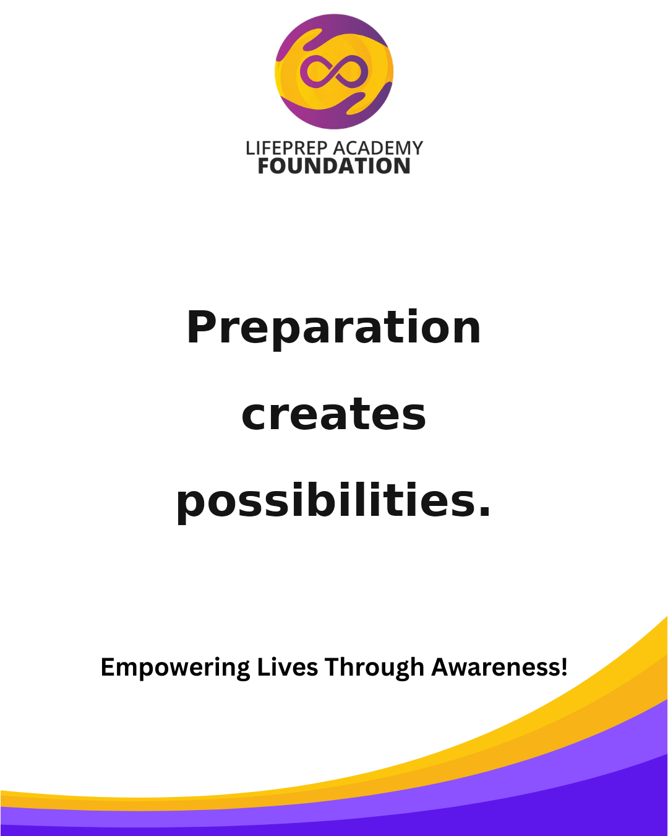 | Suggested Time: Facebook + Instagram — 6:30 PM Growth happens when guidance meets opportunity. Share this with someone building their future. #LPAF #YouthEmpowerment #Leadership #CommunityImpact #MentalWellness #FutureReady |  | 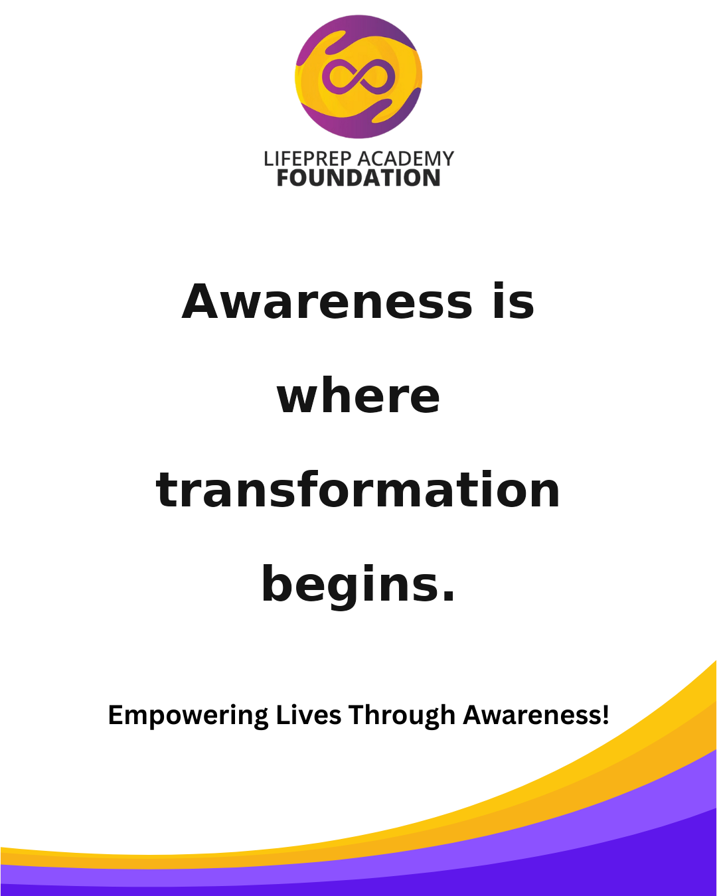 | Suggested Time: Facebook + Instagram — 7:00 PM A better future is built one choice at a time. Save this post and follow LPAF for more encouragement. #LPAF #Mentorship #EmpowerYouth #LifeSkills #PurposeDriven #InspireGrowth
2026-04-19 | 2026-04-20 |  | 2026-04-21 | 2026-04-22 |  | 2026-04-23 | 2026-04-24 |  | 2026-04-25
 | 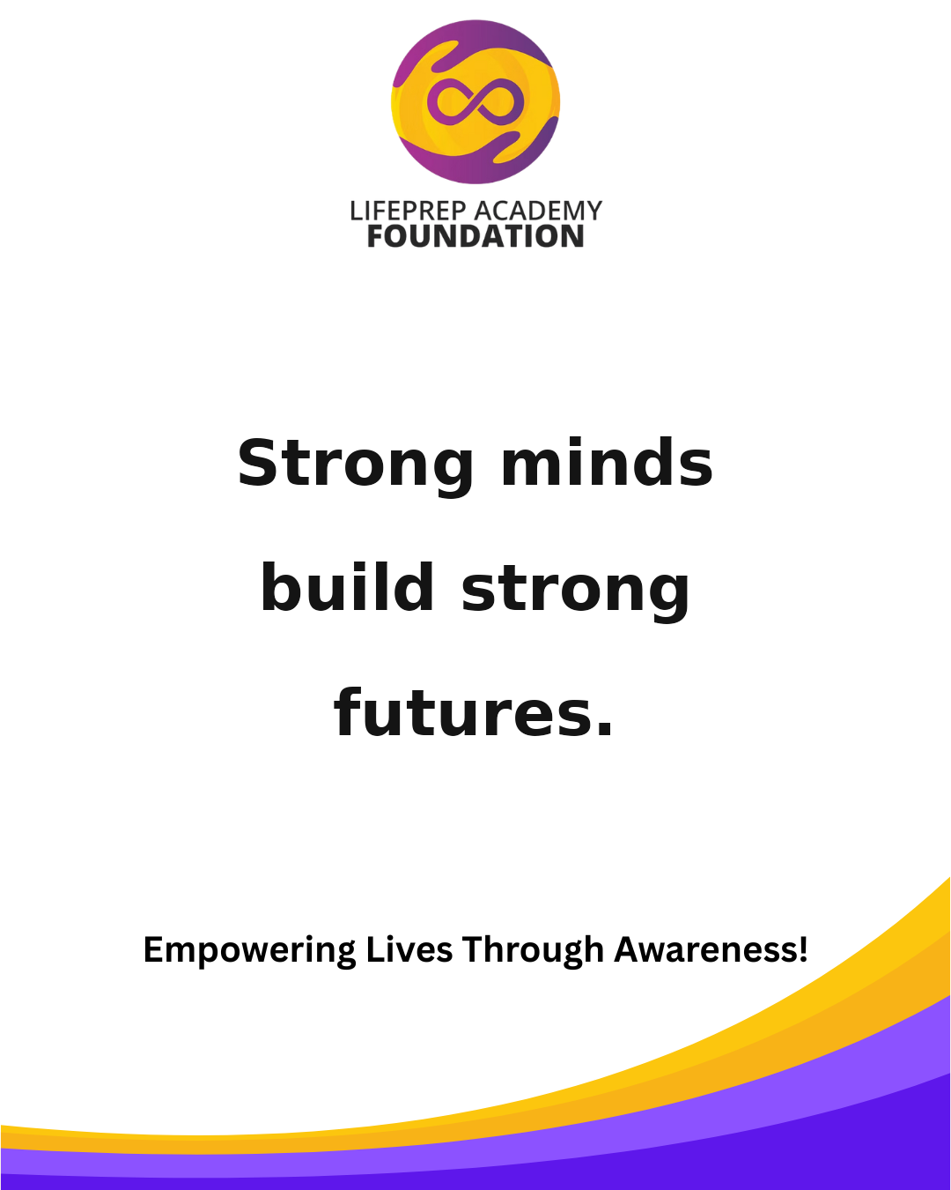 | Suggested Time: Facebook + Instagram — 7:30 PM When purpose leads, progress follows. Tag someone who needs this reminder today. #LPAF #Awareness #YouthLeadership #Education #GrowthMindset #BuildTheFuture |  | 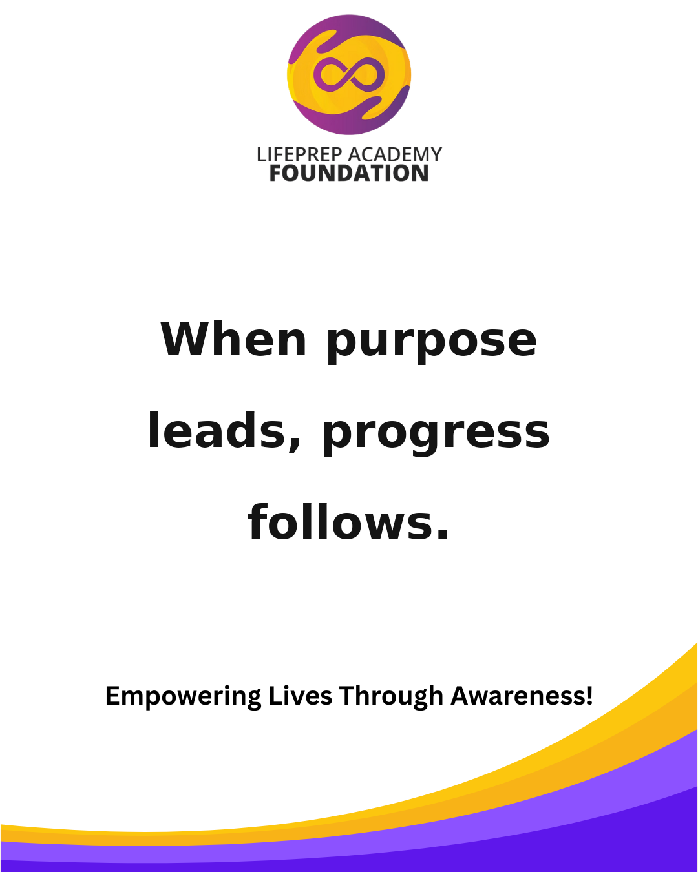 | Suggested Time: Facebook + Instagram — 6:30 PM Awareness gives people language for what they’re carrying. Share this with someone building their future. #LPAF #YouthEmpowerment #Leadership #CommunityImpact #MentalWellness #FutureReady |  | 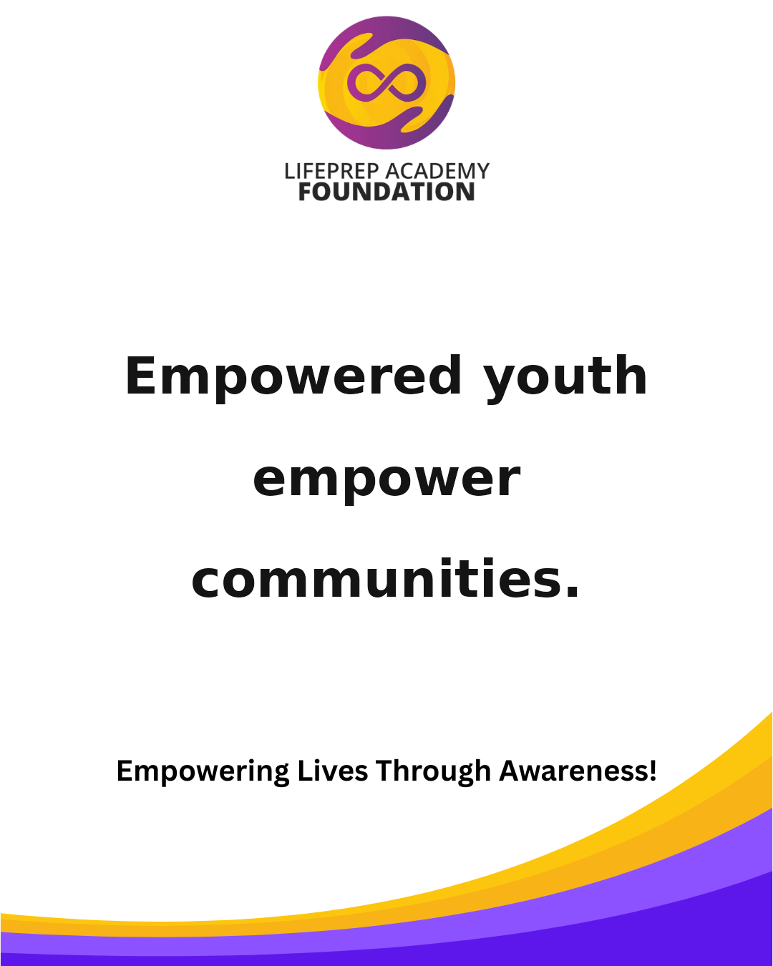 | Suggested Time: Facebook + Instagram — 7:00 PM The future belongs to those willing to prepare for it. Save this post and follow LPAF for more encouragement. #LPAF #Mentorship #EmpowerYouth #LifeSkills #PurposeDriven #InspireGrowth
2026-04-26 | 2026-04-27 |  | 2026-04-28 | 2026-04-29 |  | 2026-04-30
 | 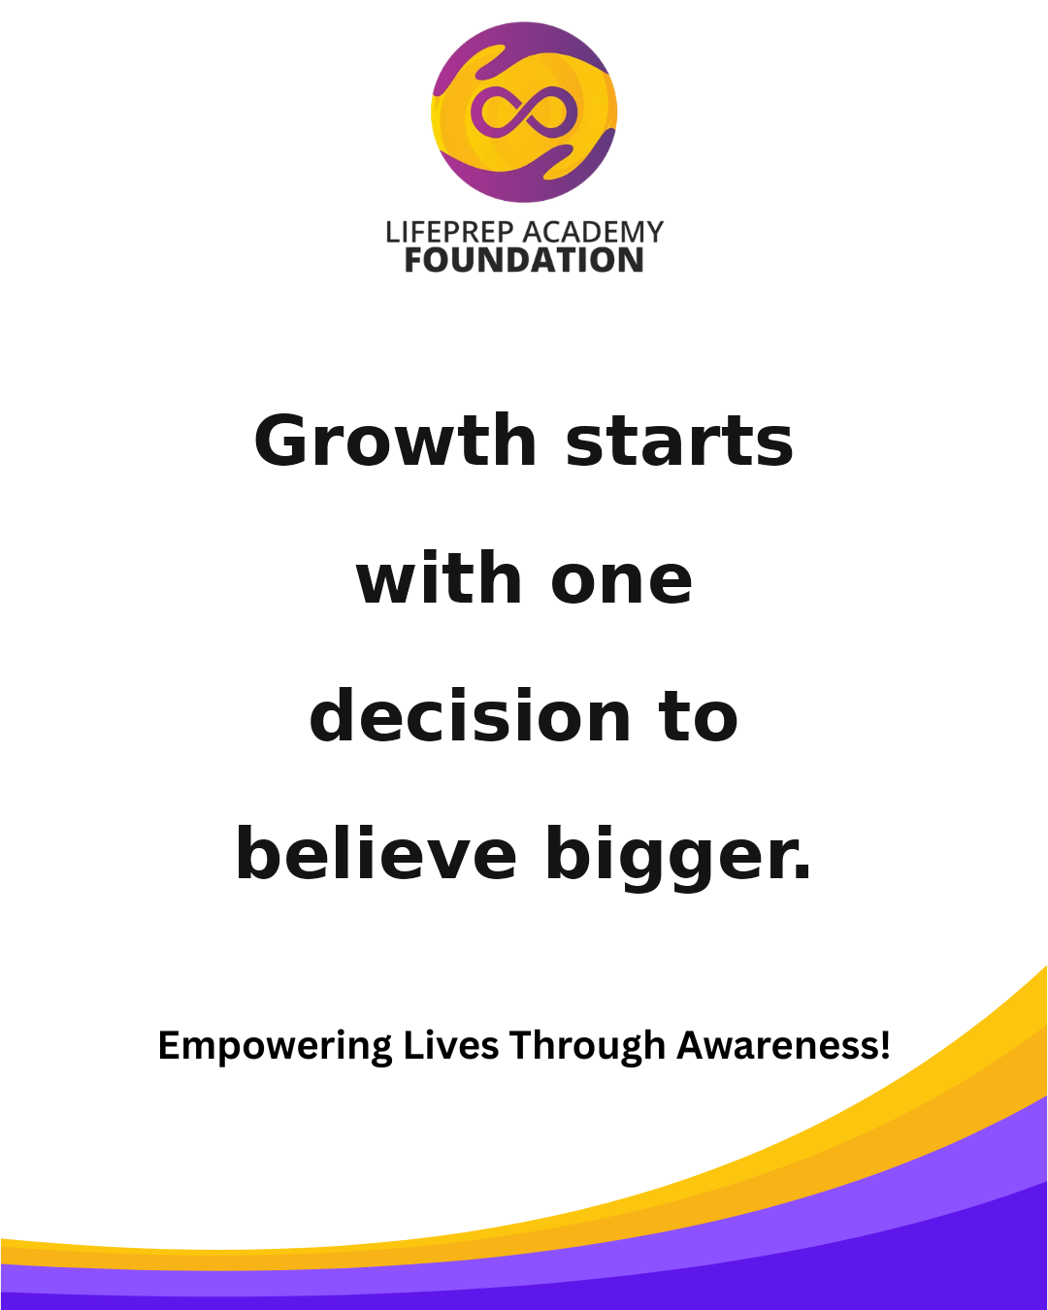 | Suggested Time: Facebook + Instagram — 7:30 PM Preparation creates possibilities. Tag someone who needs this reminder today. #LPAF #Awareness #YouthLeadership #Education #GrowthMindset #BuildTheFuture |  | 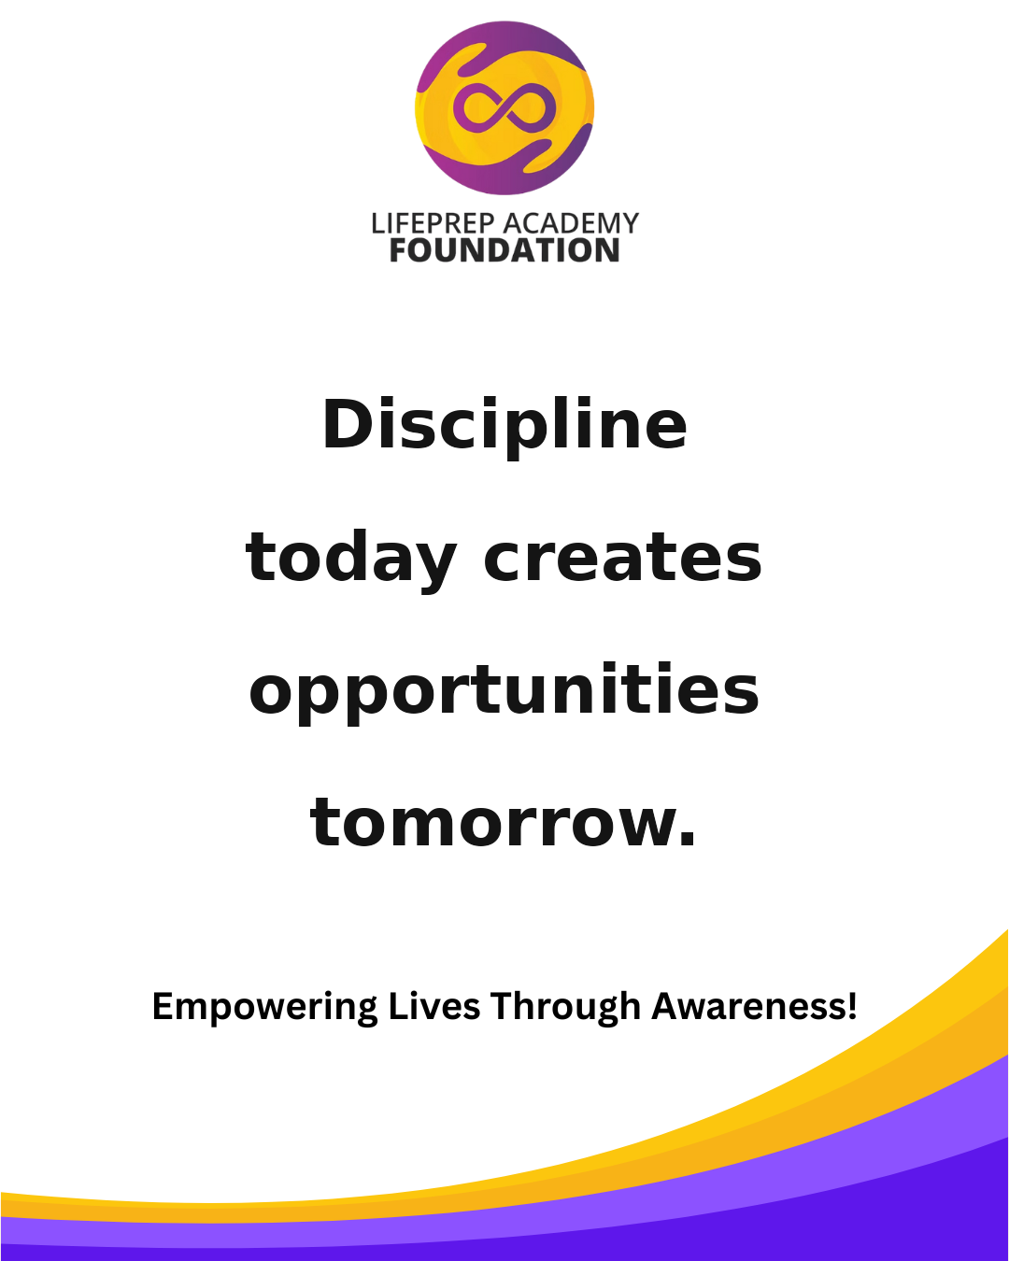 | Suggested Time: Facebook + Instagram — 6:30 PM Awareness is where transformation begins. Share this with someone building their future. #LPAF #YouthEmpowerment #Leadership #CommunityImpact #MentalWellness #FutureReady
May 2026
Sunday | Monday |  | Tuesday | Wednesday |  | Thursday | Friday |  | Saturday
 |  |  |  |  |  |  | 2026-05-01 |  | 2026-05-02
 |  |  |  |  |  |  |  | Suggested Time: Facebook + Instagram — 7:00 PM Strong minds build strong futures. Save this post and follow LPAF for more encouragement. #LPAF #Mentorship #EmpowerYouth #LifeSkills #PurposeDriven #InspireGrowth
2026-05-03 | 2026-05-04 |  | 2026-05-05 | 2026-05-06 |  | 2026-05-07 | 2026-05-08 |  | 2026-05-09
 |  | Suggested Time: Facebook + Instagram — 7:30 PM Empowered youth empower communities. Tag someone who needs this reminder today. #LPAF #Awareness #YouthLeadership #Education #GrowthMindset #BuildTheFuture |  | 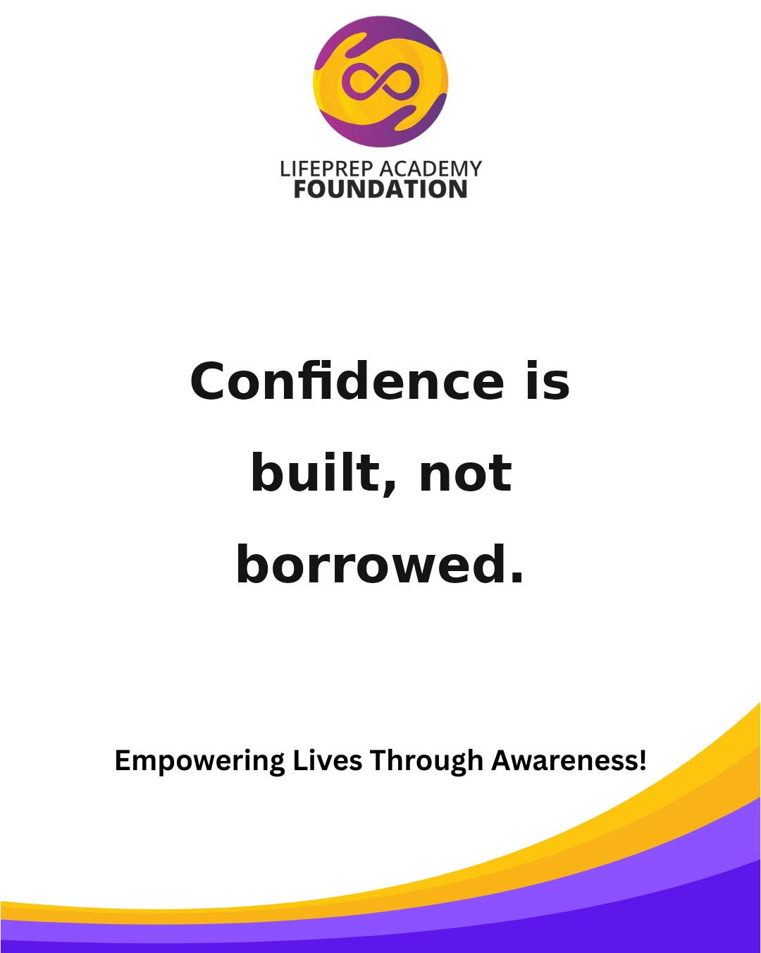 | Suggested Time: Facebook + Instagram — 6:30 PM Growth starts with one decision to believe bigger. Share this with someone building their future. #LPAF #YouthEmpowerment #Leadership #CommunityImpact #MentalWellness #FutureReady |  |  | Suggested Time: Facebook + Instagram — 7:00 PM Discipline today creates opportunities tomorrow. Save this post and follow LPAF for more encouragement. #LPAF #Mentorship #EmpowerYouth #LifeSkills #PurposeDriven #InspireGrowth
2026-05-10 | 2026-05-11 |  | 2026-05-12 | 2026-05-13 |  | 2026-05-14 | 2026-05-15 |  | 2026-05-16
 | 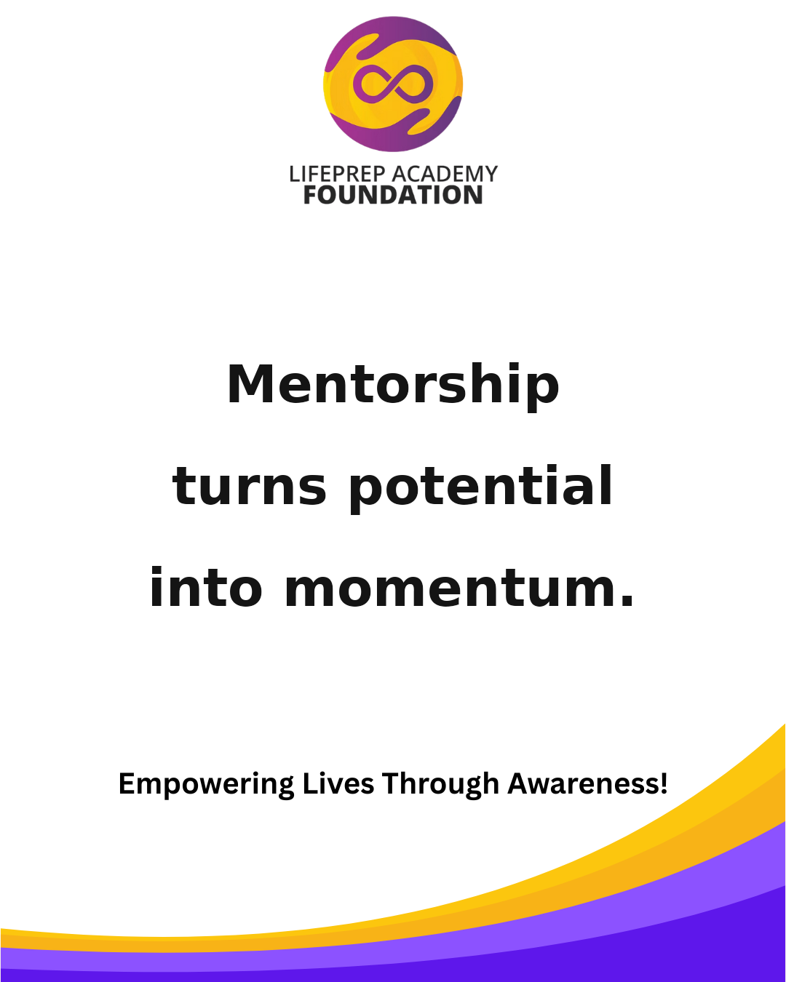 | Suggested Time: Facebook + Instagram — 7:30 PM Healing, learning, and leading can happen at the same time. Tag someone who needs this reminder today. #LPAF #Awareness #YouthLeadership #Education #GrowthMindset #BuildTheFuture |  |  | Suggested Time: Facebook + Instagram — 6:30 PM Every young person deserves a pathway to purpose. Share this with someone building their future. #LPAF #YouthEmpowerment #Leadership #CommunityImpact #MentalWellness #FutureReady |  | 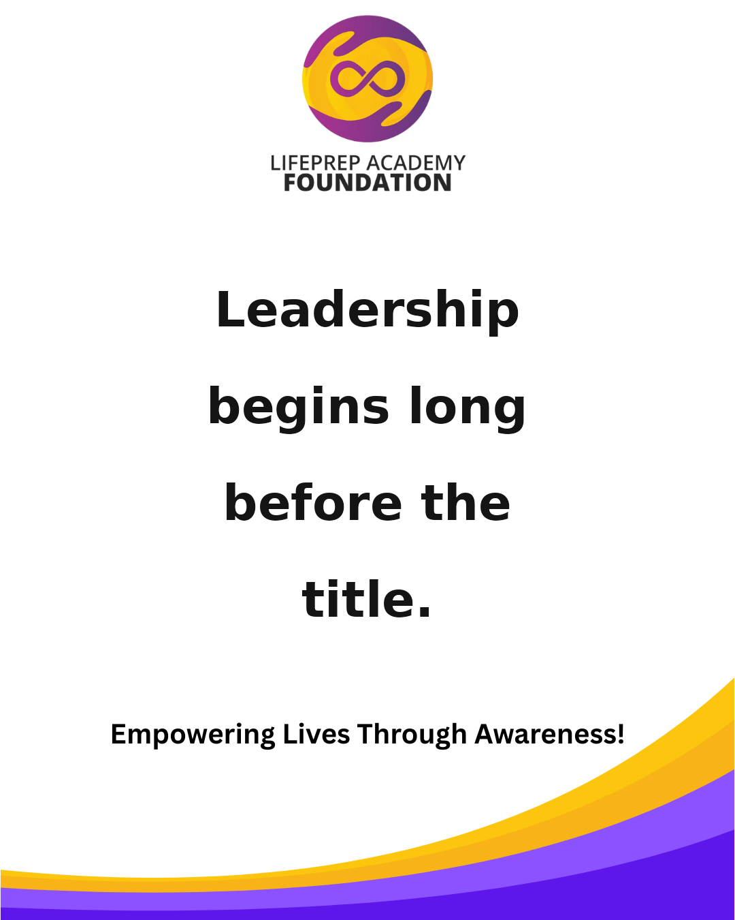 | Suggested Time: Facebook + Instagram — 7:00 PM Confidence is built, not borrowed. Save this post and follow LPAF for more encouragement. #LPAF #Mentorship #EmpowerYouth #LifeSkills #PurposeDriven #InspireGrowth
2026-05-17 | 2026-05-18 |  | 2026-05-19 | 2026-05-20 |  | 2026-05-21 | 2026-05-22 |  | 2026-05-23
 |  | Suggested Time: Facebook + Instagram — 7:30 PM The right support can change everything. Tag someone who needs this reminder today. #LPAF #Awareness #YouthLeadership #Education #GrowthMindset #BuildTheFuture |  | 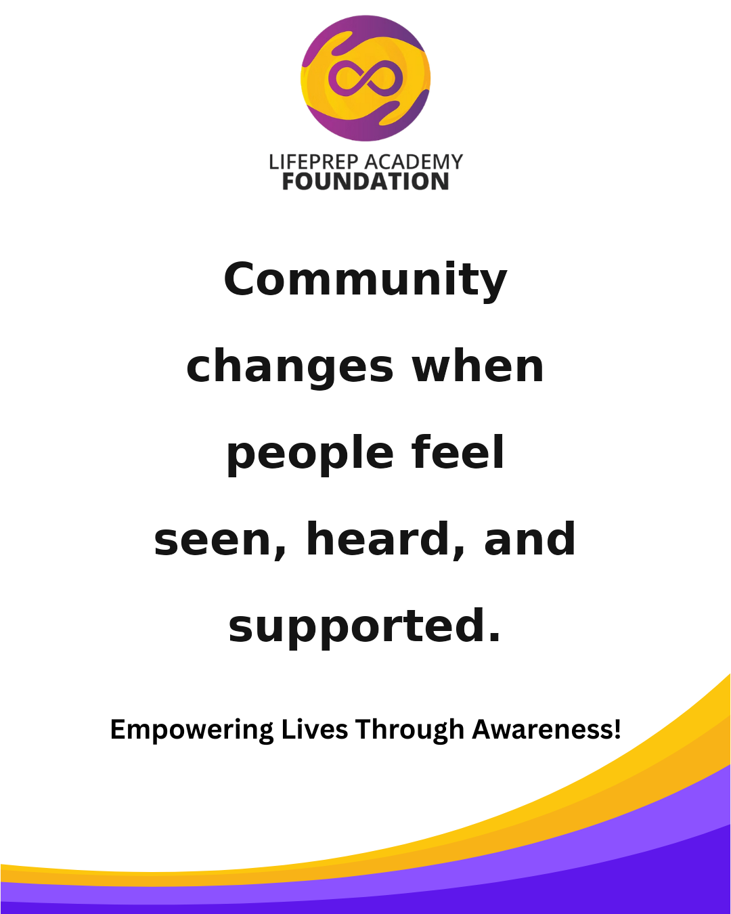 | Suggested Time: Facebook + Instagram — 6:30 PM Mentorship turns potential into momentum. Share this with someone building their future. #LPAF #YouthEmpowerment #Leadership #CommunityImpact #MentalWellness #FutureReady |  | 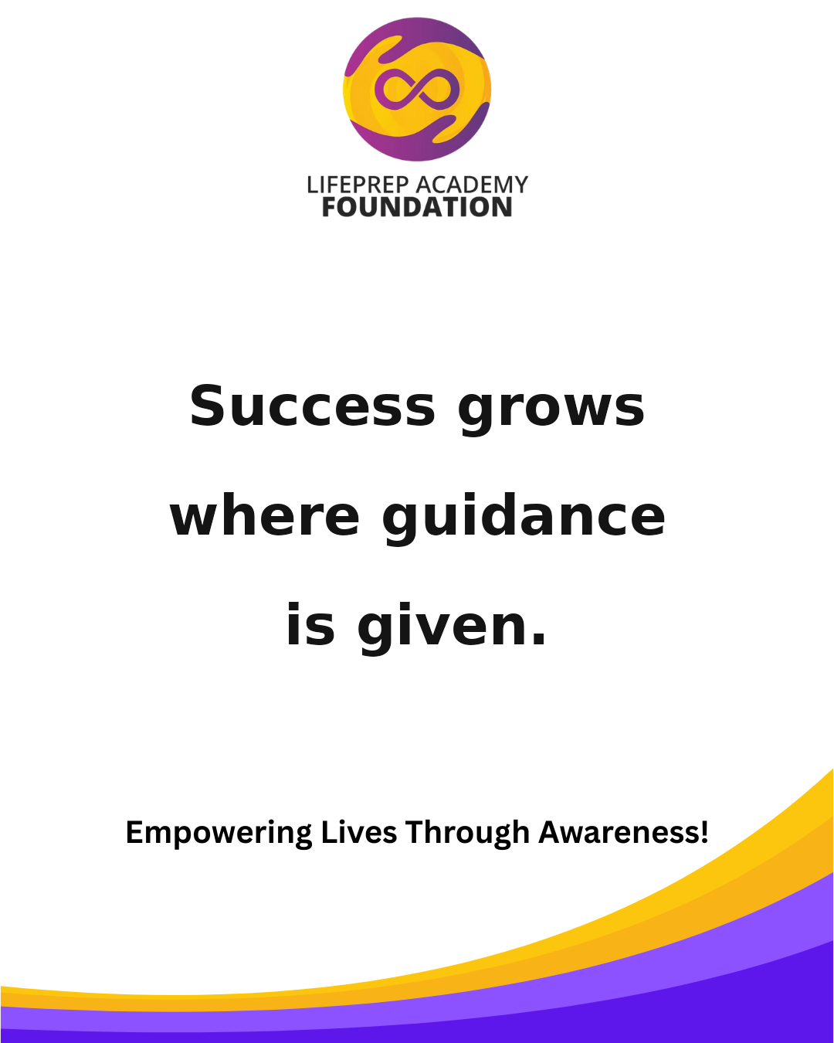 | Suggested Time: Facebook + Instagram — 7:00 PM Prepared minds are powerful minds. Save this post and follow LPAF for more encouragement. #LPAF #Mentorship #EmpowerYouth #LifeSkills #PurposeDriven #InspireGrowth
2026-05-24 | 2026-05-25 |  | 2026-05-26 | 2026-05-27 |  | 2026-05-28 | 2026-05-29 |  | 2026-05-30
 | 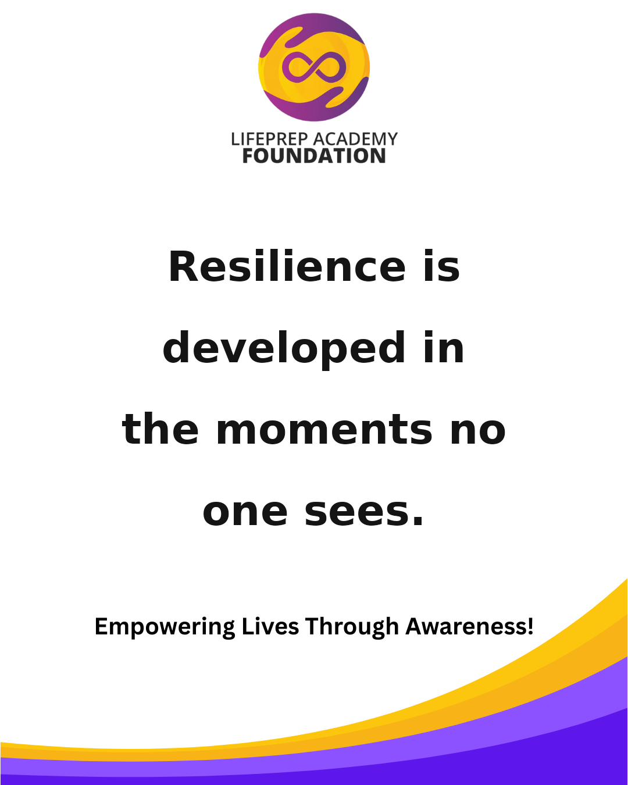 | Suggested Time: Facebook + Instagram — 7:30 PM Leadership begins long before the title. Tag someone who needs this reminder today. #LPAF #Awareness #YouthLeadership #Education #GrowthMindset #BuildTheFuture |  | 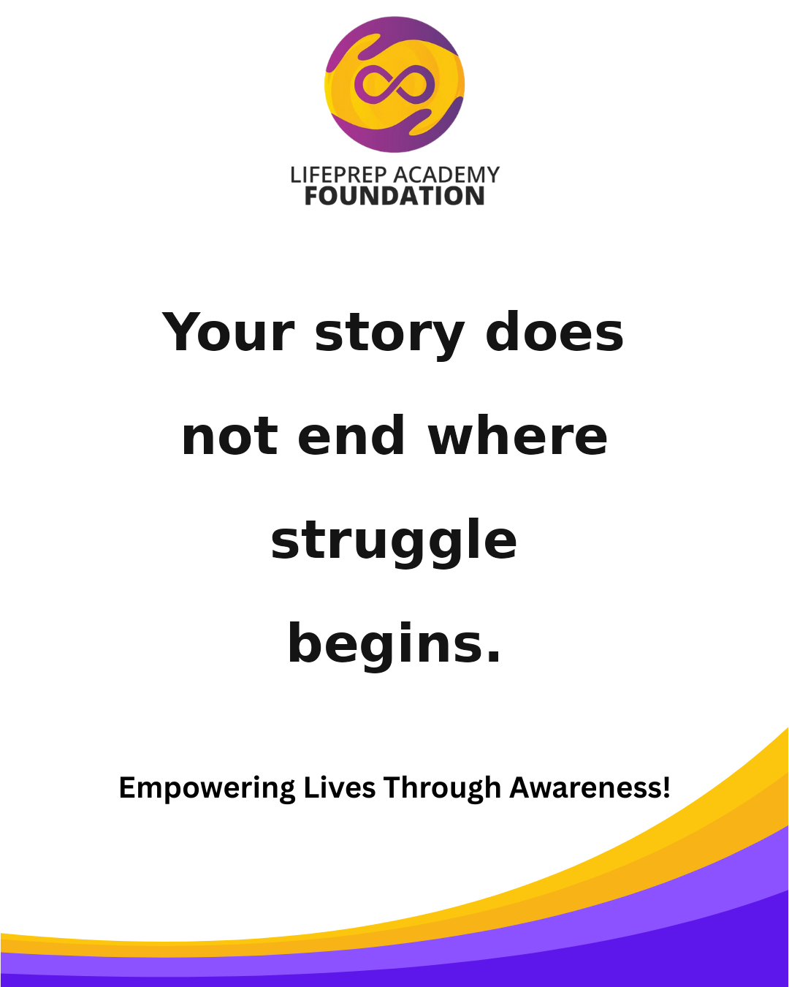 | Suggested Time: Facebook + Instagram — 6:30 PM Community changes when people feel seen, heard, and supported. Share this with someone building their future. #LPAF #YouthEmpowerment #Leadership #CommunityImpact #MentalWellness #FutureReady |  | 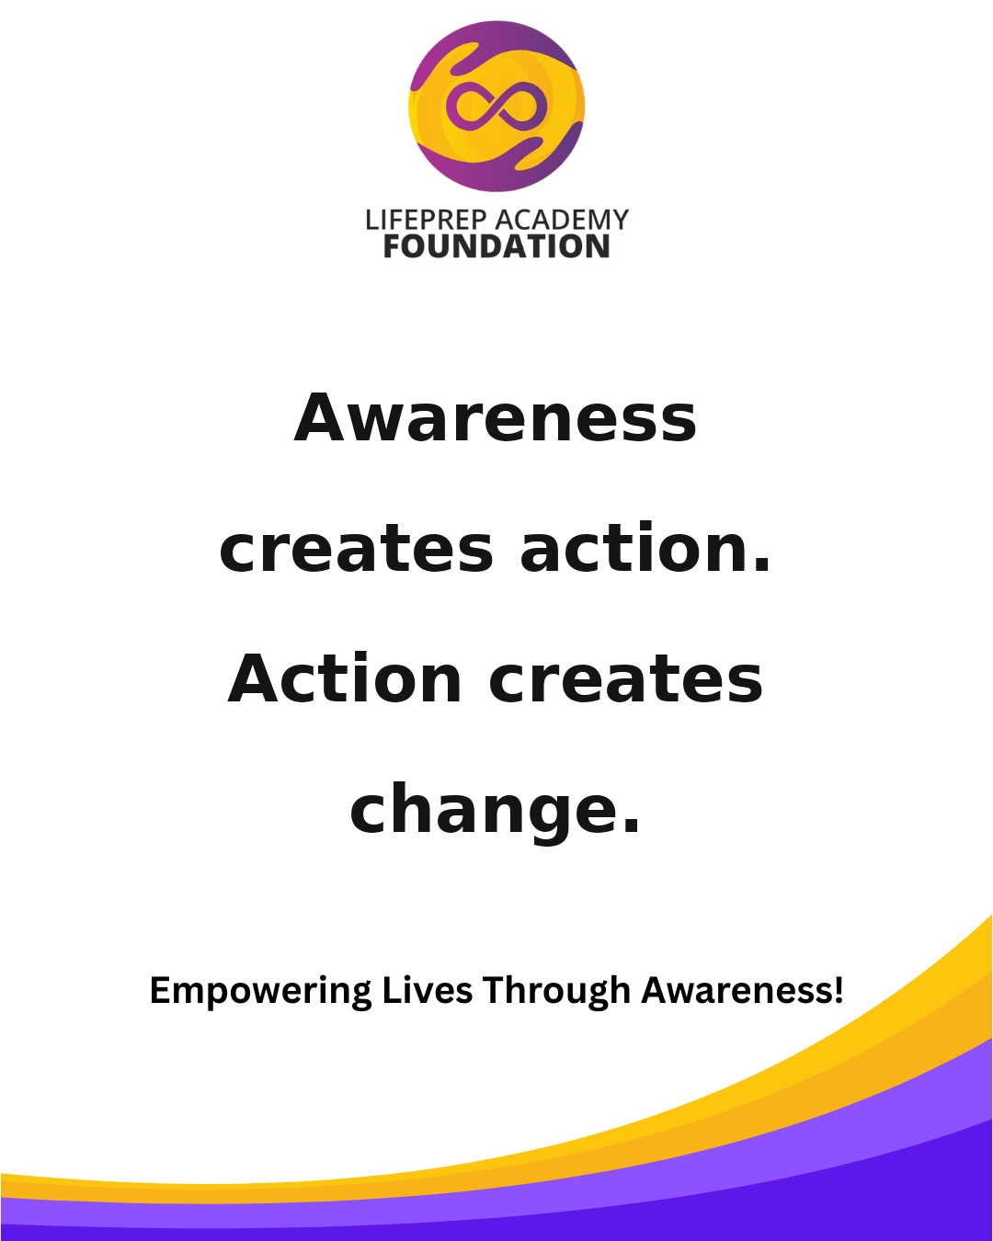 | Suggested Time: Facebook + Instagram — 7:00 PM Success grows where guidance is given. Save this post and follow LPAF for more encouragement. #LPAF #Mentorship #EmpowerYouth #LifeSkills #PurposeDriven #InspireGrowth
2026-05-31

June 2026
Sunday | Monday |  | Tuesday | Wednesday |  | Thursday | Friday |  | Saturday
 | 2026-06-01 |  | 2026-06-02 | 2026-06-03 |  | 2026-06-04 | 2026-06-05 |  | 2026-06-06
 | 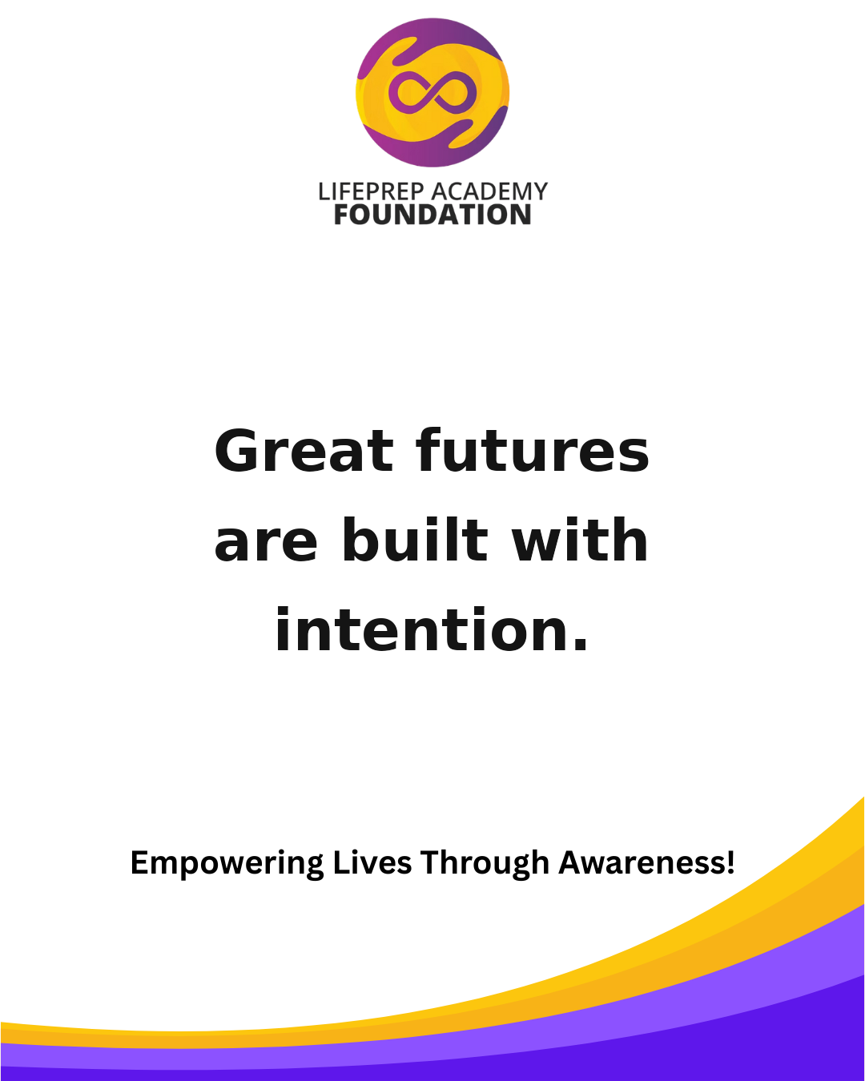 | Suggested Time: Facebook + Instagram — 7:30 PM Resilience is developed in the moments no one sees. Tag someone who needs this reminder today. #LPAF #Awareness #YouthLeadership #Education #GrowthMindset #BuildTheFuture |  |  | Suggested Time: Facebook + Instagram — 6:30 PM Your story does not end where struggle begins. Share this with someone building their future. #LPAF #YouthEmpowerment #Leadership #CommunityImpact #MentalWellness #FutureReady |  | 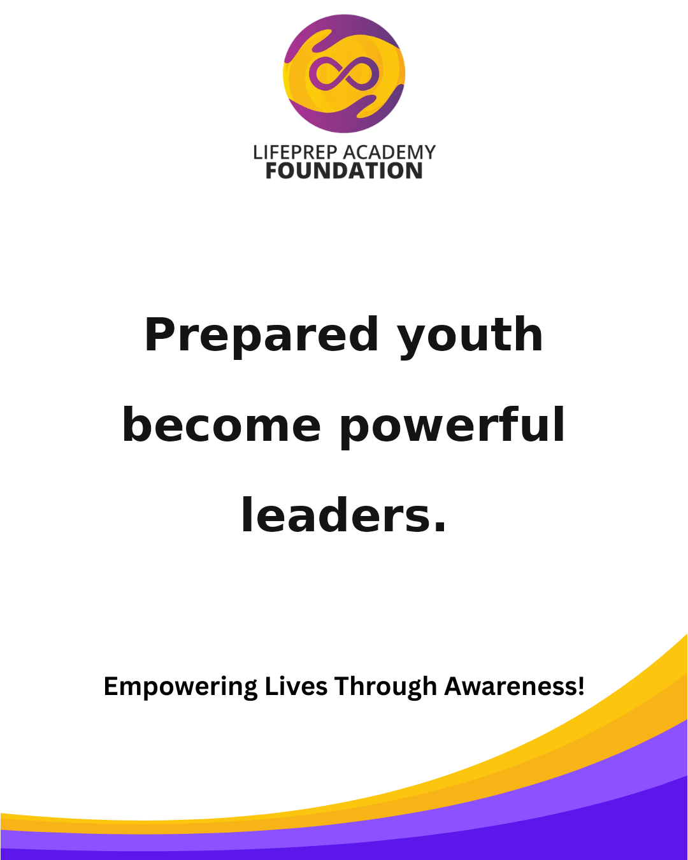 | Suggested Time: Facebook + Instagram — 7:00 PM Awareness creates action. Action creates change. Save this post and follow LPAF for more encouragement. #LPAF #Mentorship #EmpowerYouth #LifeSkills #PurposeDriven #InspireGrowth
2026-06-07 | 2026-06-08 |  | 2026-06-09 | 2026-06-10 |  | 2026-06-11 | 2026-06-12 |  | 2026-06-13
 |  | Suggested Time: Facebook + Instagram — 7:30 PM Great futures are built with intention. Tag someone who needs this reminder today. #LPAF #Awareness #YouthLeadership #Education #GrowthMindset #BuildTheFuture |  |  | Suggested Time: Facebook + Instagram — 6:30 PM Mental strength matters just as much as physical strength. Share this with someone building their future. #LPAF #YouthEmpowerment #Leadership #CommunityImpact #MentalWellness #FutureReady |  | 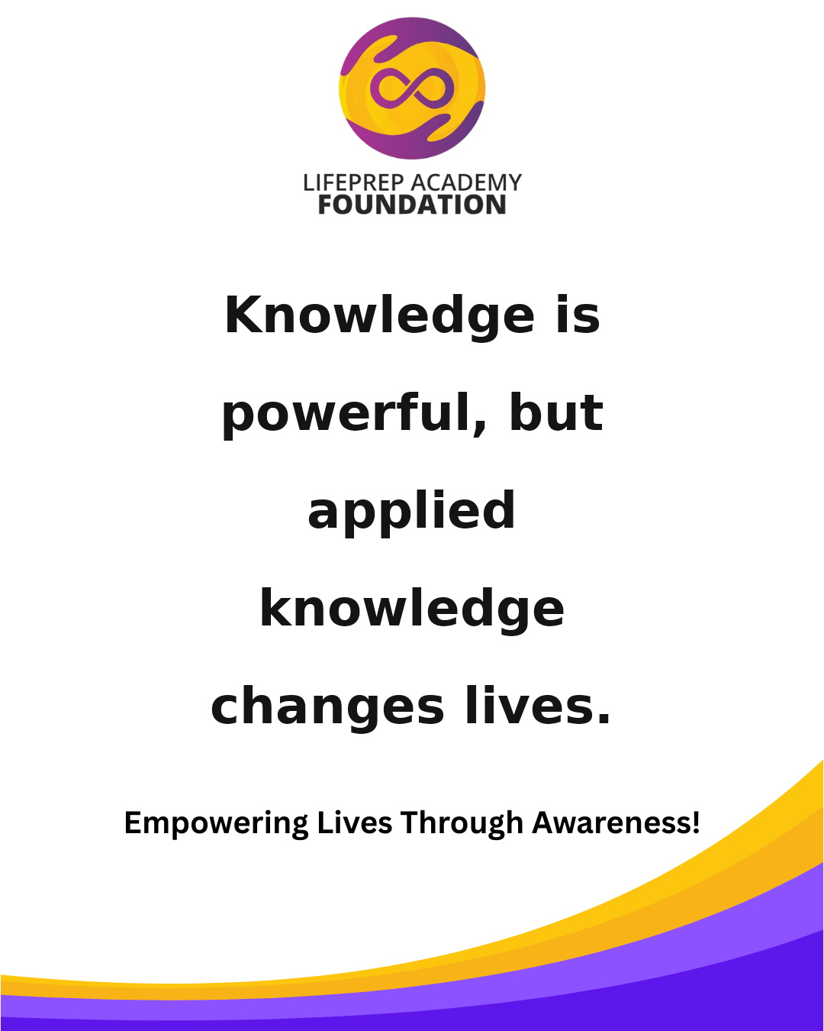 | Suggested Time: Facebook + Instagram — 7:00 PM Prepared youth become powerful leaders. Save this post and follow LPAF for more encouragement. #LPAF #Mentorship #EmpowerYouth #LifeSkills #PurposeDriven #InspireGrowth
2026-06-14 | 2026-06-15 |  | 2026-06-16 | 2026-06-17 |  | 2026-06-18 | 2026-06-19 |  | 2026-06-20
 | 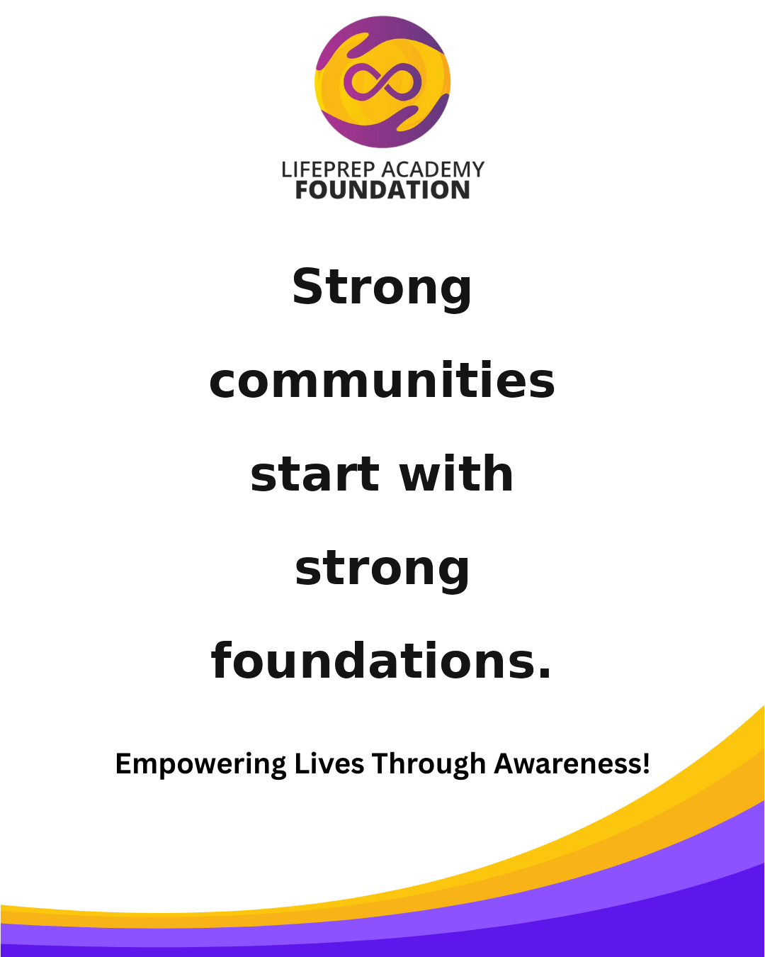 | Suggested Time: Facebook + Instagram — 7:30 PM Opportunity looks different when someone believes in you. Tag someone who needs this reminder today. #LPAF #Awareness #YouthLeadership #Education #GrowthMindset #BuildTheFuture |  | 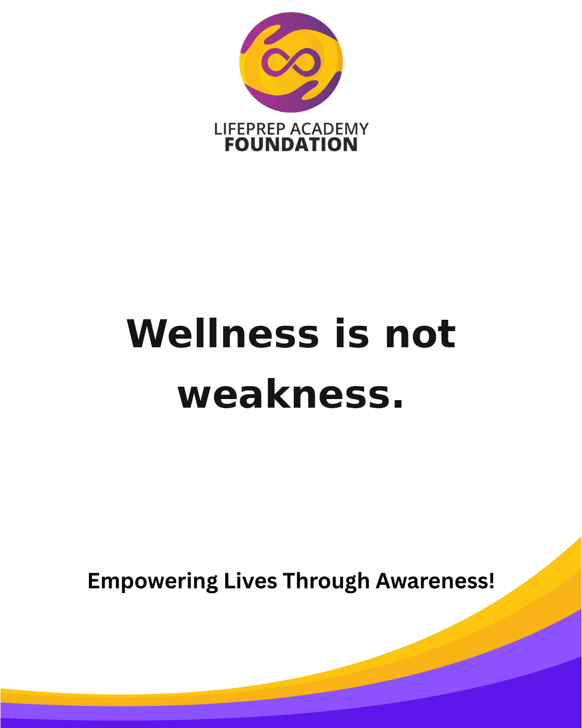 | Suggested Time: Facebook + Instagram — 6:30 PM The work you do on yourself will show up in your future. Share this with someone building their future. #LPAF #YouthEmpowerment #Leadership #CommunityImpact #MentalWellness #FutureReady |  |  | Suggested Time: Facebook + Instagram — 7:00 PM Knowledge is powerful, but applied knowledge changes lives. Save this post and follow LPAF for more encouragement. #LPAF #Mentorship #EmpowerYouth #LifeSkills #PurposeDriven #InspireGrowth
2026-06-21 | 2026-06-22 |  | 2026-06-23 | 2026-06-24 |  | 2026-06-25 | 2026-06-26 |  | 2026-06-27
 | 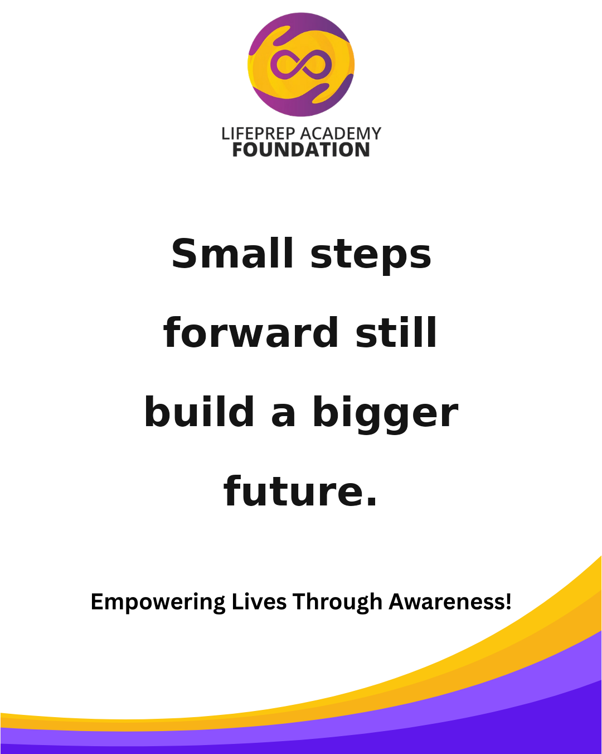 | Suggested Time: Facebook + Instagram — 7:30 PM Strong communities start with strong foundations. Tag someone who needs this reminder today. #LPAF #Awareness #YouthLeadership #Education #GrowthMindset #BuildTheFuture |  | 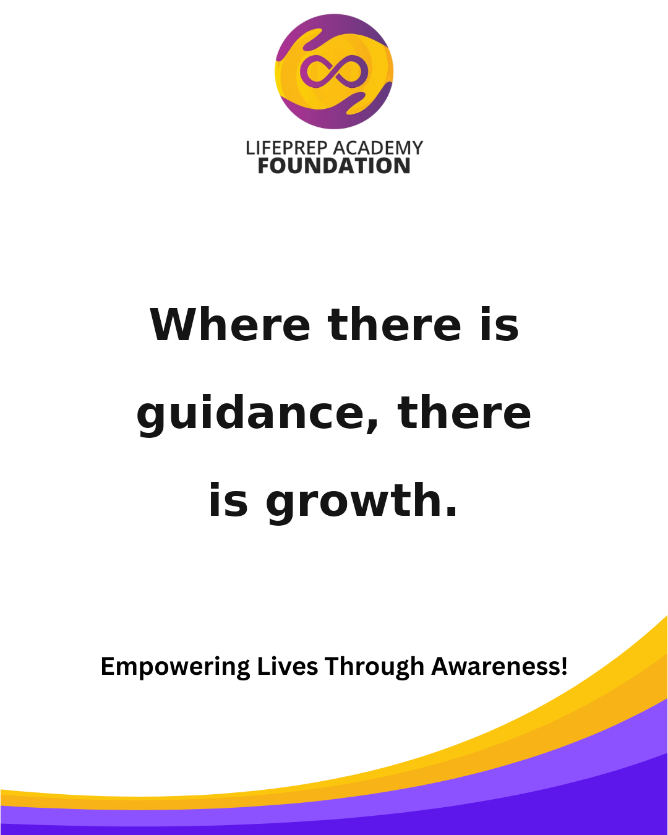 | Suggested Time: Facebook + Instagram — 6:30 PM Wellness is not weakness. Share this with someone building their future. #LPAF #YouthEmpowerment #Leadership #CommunityImpact #MentalWellness #FutureReady |  |  | Suggested Time: Facebook + Instagram — 7:00 PM You can train the body and still protect the mind. Save this post and follow LPAF for more encouragement. #LPAF #Mentorship #EmpowerYouth #LifeSkills #PurposeDriven #InspireGrowth
2026-06-28 | 2026-06-29 |  | 2026-06-30
 | 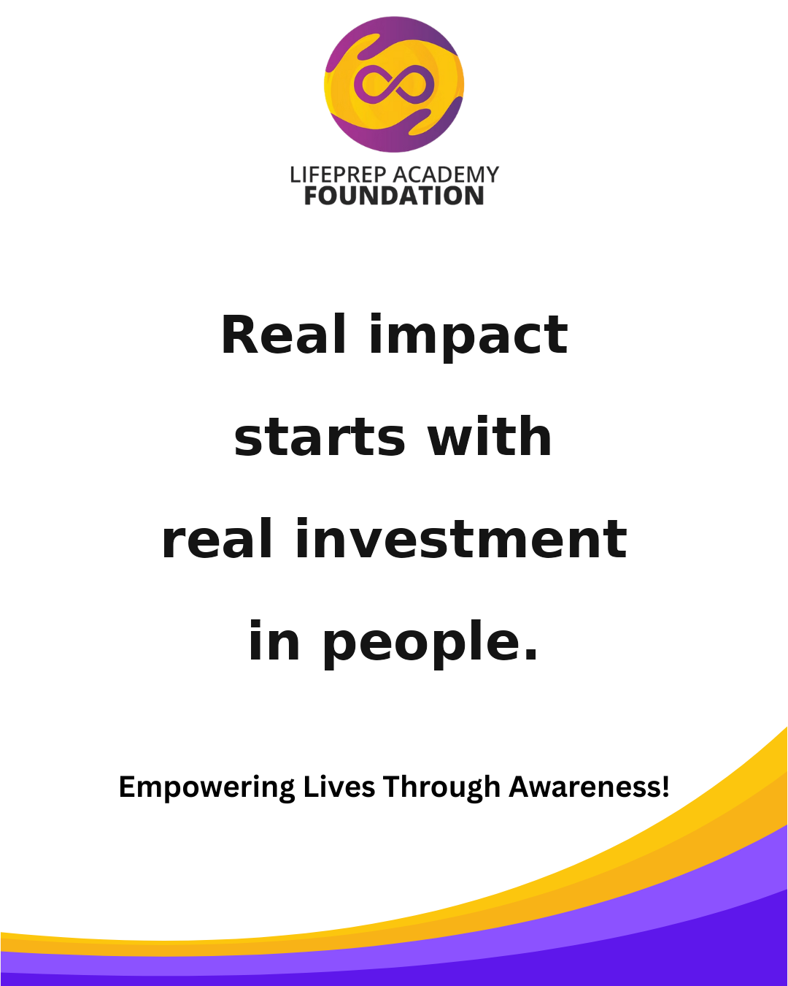 | Suggested Time: Facebook + Instagram — 7:30 PM Small steps forward still build a bigger future. Tag someone who needs this reminder today. #LPAF #Awareness #YouthLeadership #Education #GrowthMindset #BuildTheFuture
July 2026
Sunday | Monday |  | Tuesday | Wednesday |  | Thursday | Friday |  | Saturday
 |  |  |  | 2026-07-01 |  | 2026-07-02 | 2026-07-03 |  | 2026-07-04
 |  |  |  | 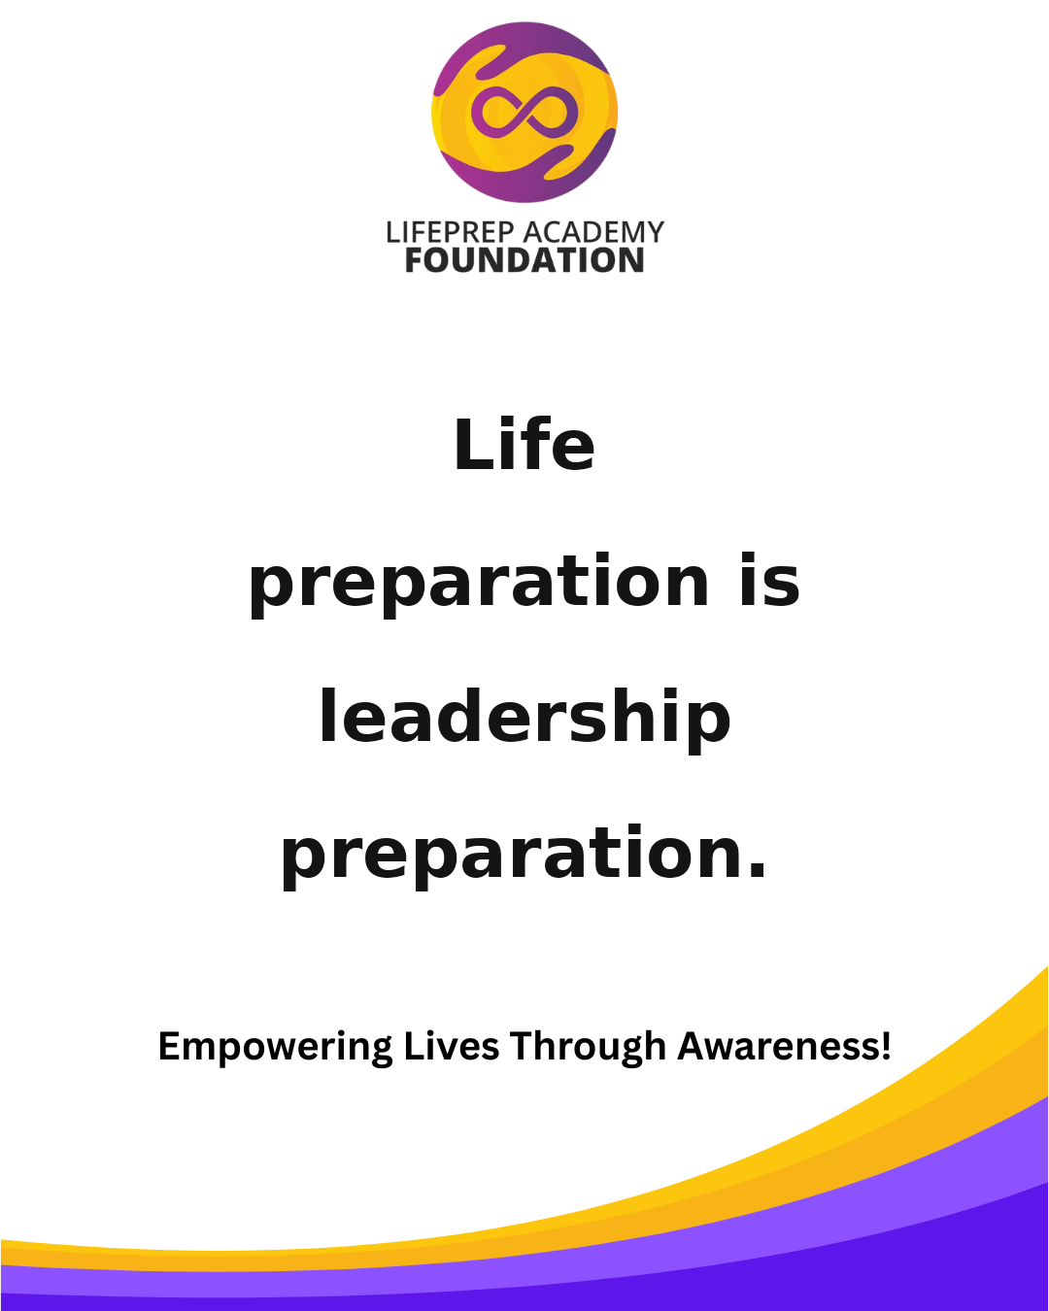 | Suggested Time: Facebook + Instagram — 6:30 PM Where there is guidance, there is growth. Share this with someone building their future. #LPAF #YouthEmpowerment #Leadership #CommunityImpact #MentalWellness #FutureReady |  | 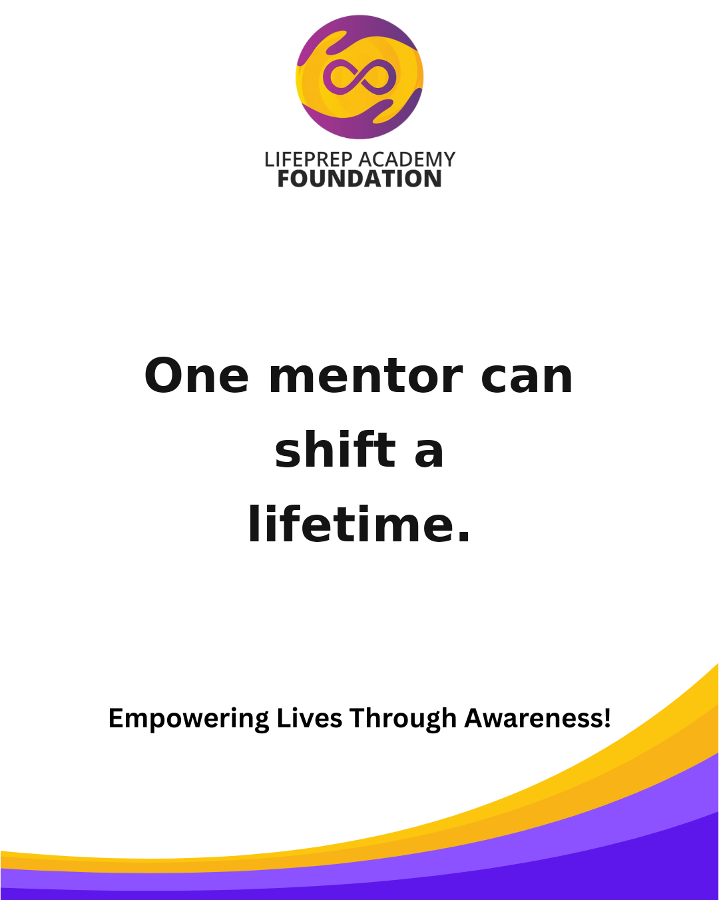 | Suggested Time: Facebook + Instagram — 7:00 PM Your next chapter can be stronger than your last. Save this post and follow LPAF for more encouragement. #LPAF #Mentorship #EmpowerYouth #LifeSkills #PurposeDriven #InspireGrowth
2026-07-05 | 2026-07-06 |  | 2026-07-07 | 2026-07-08 |  | 2026-07-09 | 2026-07-10 |  | 2026-07-11
 |  | Suggested Time: Facebook + Instagram — 7:30 PM Real impact starts with real investment in people. Tag someone who needs this reminder today. #LPAF #Awareness #YouthLeadership #Education #GrowthMindset #BuildTheFuture |  |  | Suggested Time: Facebook + Instagram — 6:30 PM Life preparation is leadership preparation. Share this with someone building their future. #LPAF #YouthEmpowerment #Leadership #CommunityImpact #MentalWellness #FutureReady |  | 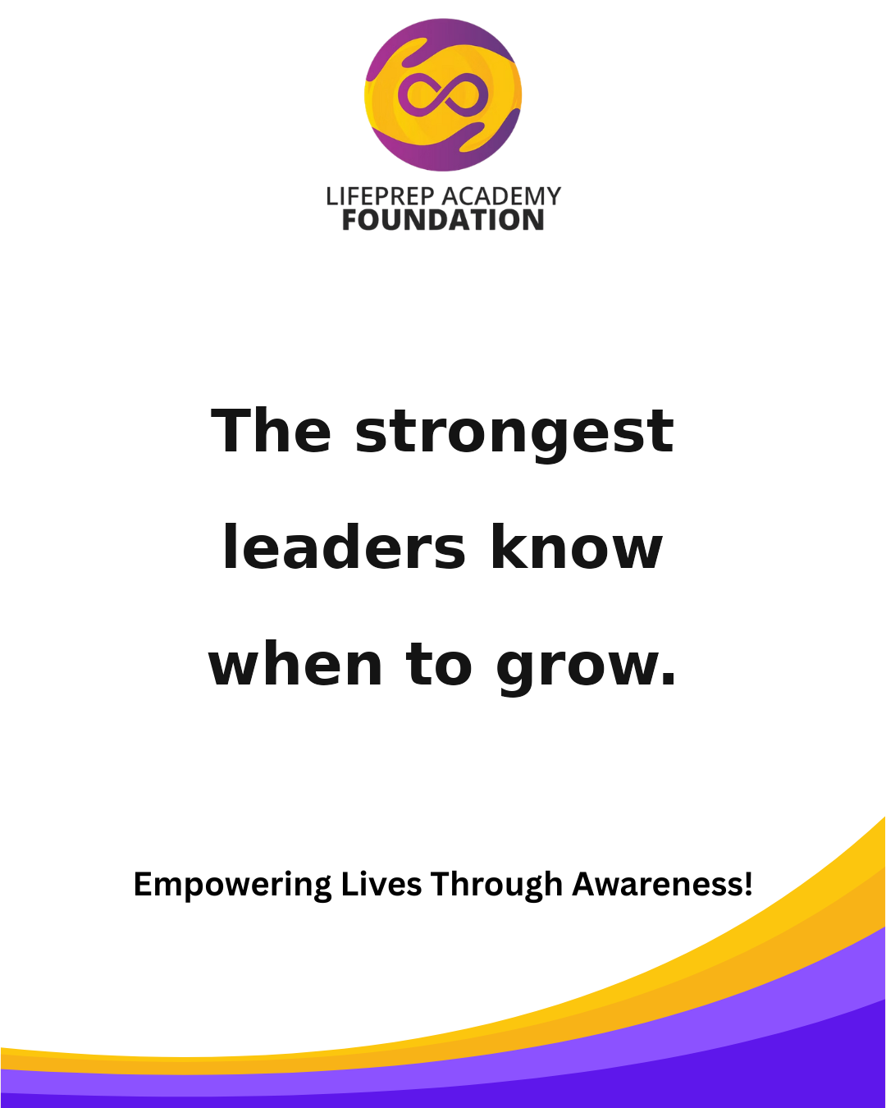 | Suggested Time: Facebook + Instagram — 7:00 PM One mentor can shift a lifetime. Save this post and follow LPAF for more encouragement. #LPAF #Mentorship #EmpowerYouth #LifeSkills #PurposeDriven #InspireGrowth
2026-07-12 | 2026-07-13 |  | 2026-07-14 | 2026-07-15 |  | 2026-07-16 | 2026-07-17 |  | 2026-07-18
 | 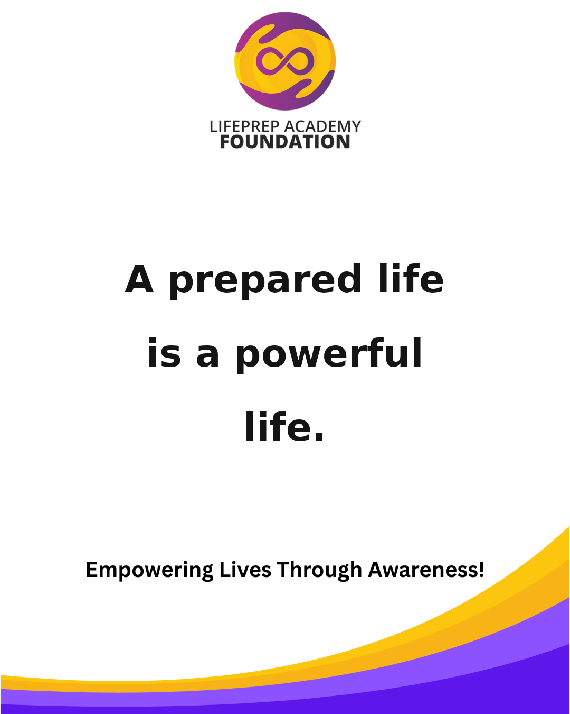 | Suggested Time: Facebook + Instagram — 7:30 PM Awareness opens the door to healing. Tag someone who needs this reminder today. #LPAF #Awareness #YouthLeadership #Education #GrowthMindset #BuildTheFuture |  | 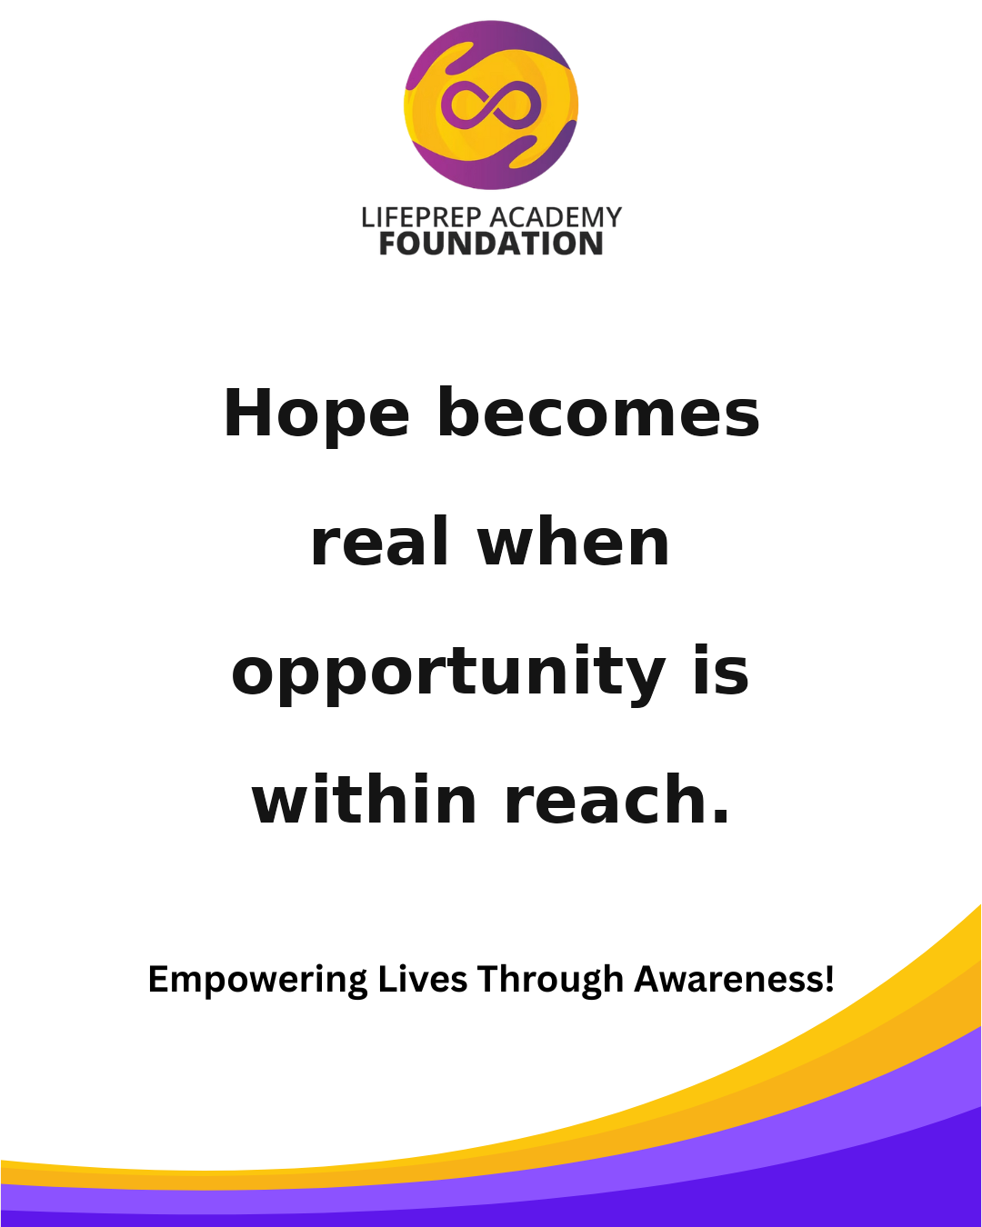 | Suggested Time: Facebook + Instagram — 6:30 PM The strongest leaders know when to grow. Share this with someone building their future. #LPAF #YouthEmpowerment #Leadership #CommunityImpact #MentalWellness #FutureReady |  |  | Suggested Time: Facebook + Instagram — 7:00 PM A prepared life is a powerful life. Save this post and follow LPAF for more encouragement. #LPAF #Mentorship #EmpowerYouth #LifeSkills #PurposeDriven #InspireGrowth
2026-07-19 | 2026-07-20 |  | 2026-07-21 | 2026-07-22 |  | 2026-07-23 | 2026-07-24 |  | 2026-07-25
 | 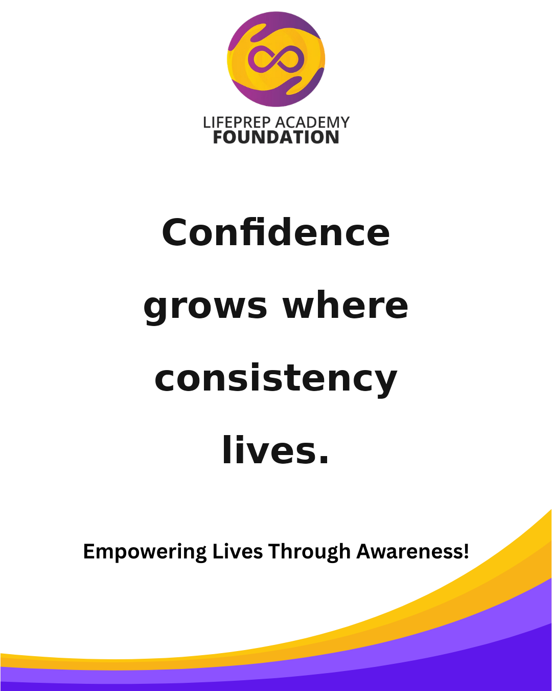 | Suggested Time: Facebook + Instagram — 7:30 PM Hope becomes real when opportunity is within reach. Tag someone who needs this reminder today. #LPAF #Awareness #YouthLeadership #Education #GrowthMindset #BuildTheFuture |  |  | Suggested Time: Facebook + Instagram — 6:30 PM Every child deserves access to encouragement and direction. Share this with someone building their future. #LPAF #YouthEmpowerment #Leadership #CommunityImpact #MentalWellness #FutureReady |  | 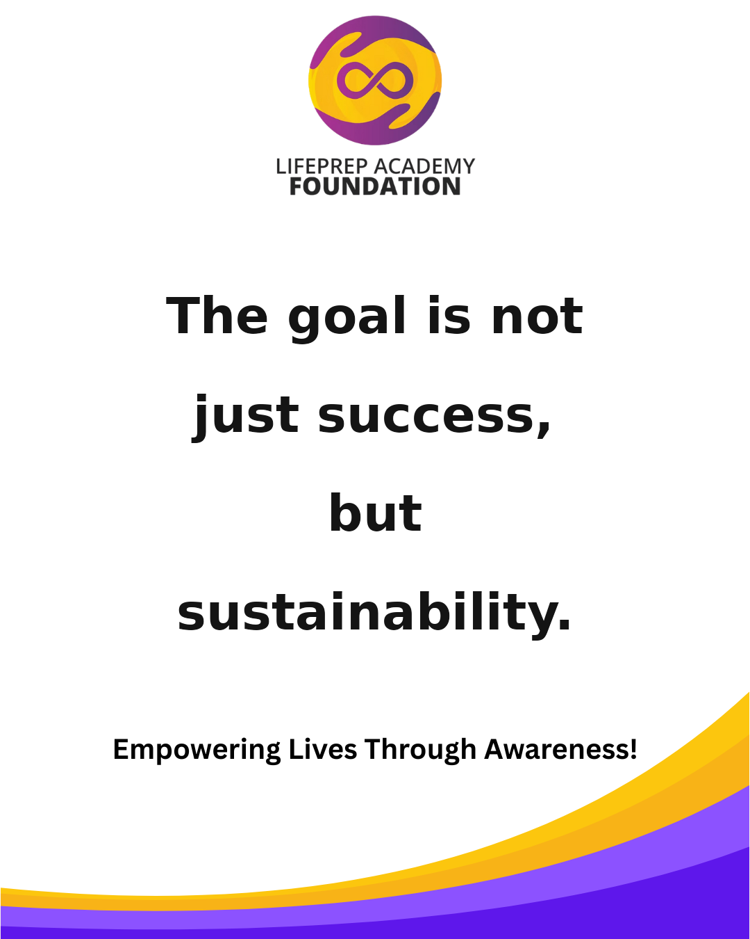 | Suggested Time: Facebook + Instagram — 7:00 PM Confidence grows where consistency lives. Save this post and follow LPAF for more encouragement. #LPAF #Mentorship #EmpowerYouth #LifeSkills #PurposeDriven #InspireGrowth
2026-07-26 | 2026-07-27 |  | 2026-07-28 | 2026-07-29 |  | 2026-07-30 | 2026-07-31
 | 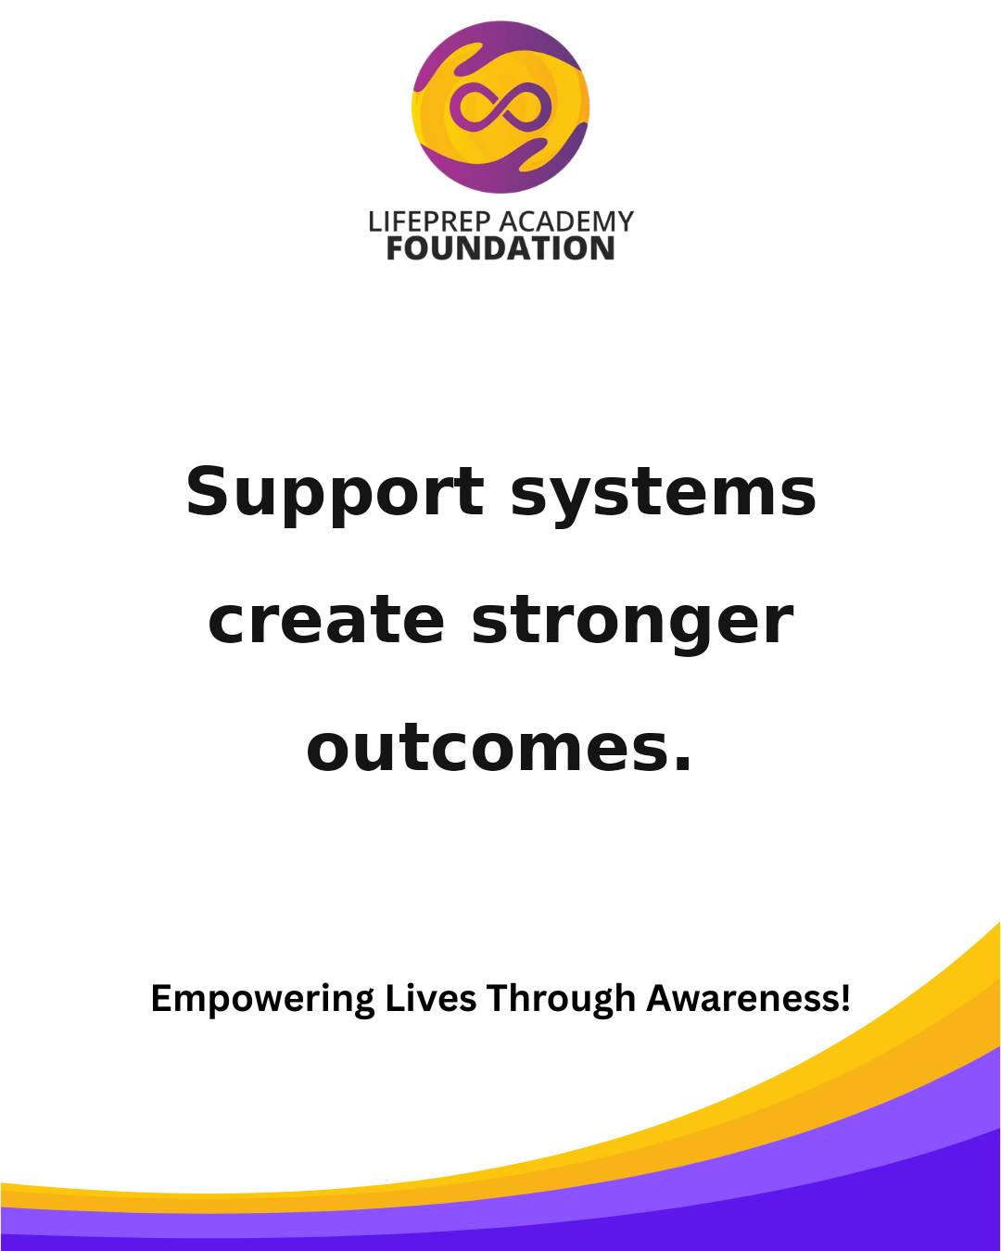 | Suggested Time: Facebook + Instagram — 7:30 PM Learning life skills is learning how to lead yourself. Tag someone who needs this reminder today. #LPAF #Awareness #YouthLeadership #Education #GrowthMindset #BuildTheFuture |  | 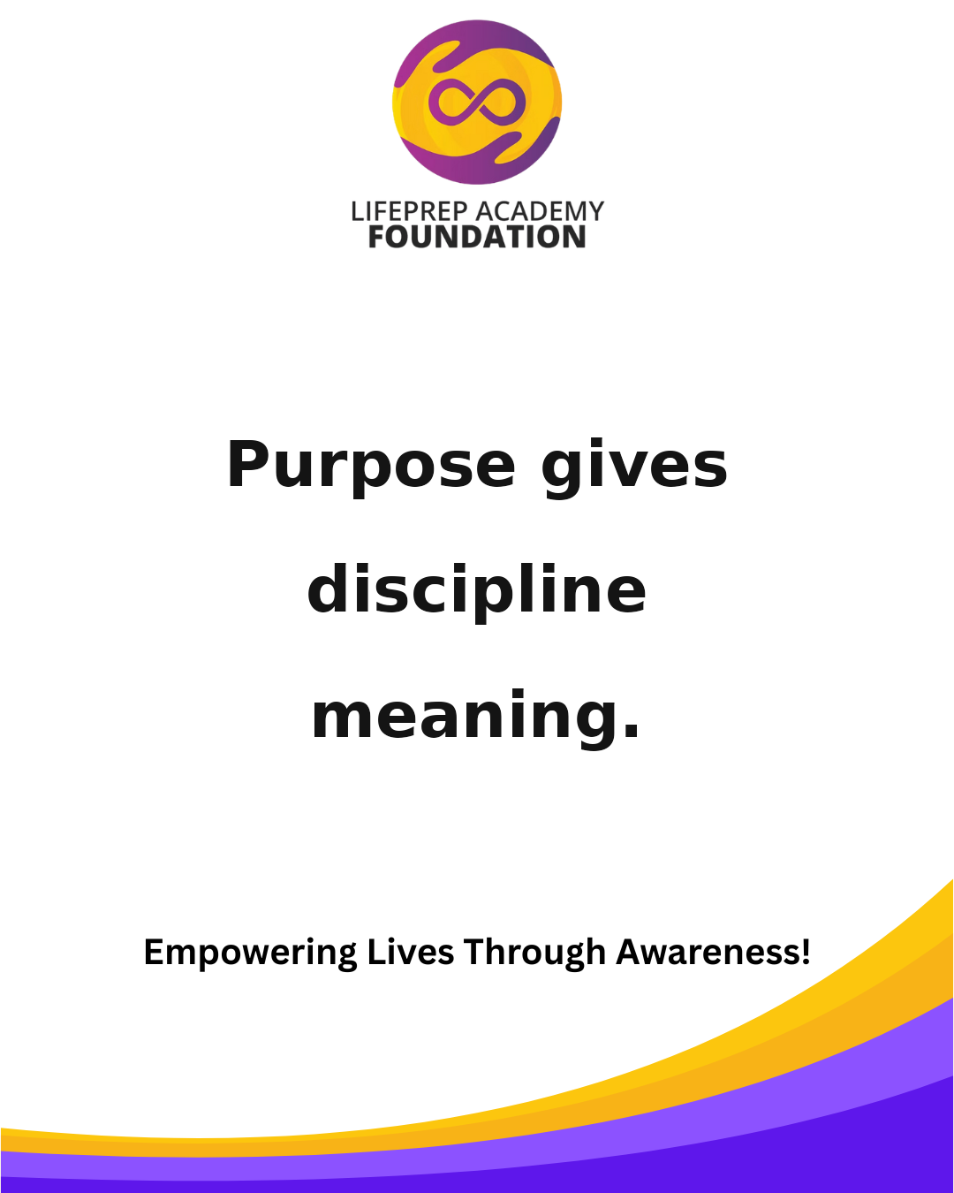 | Suggested Time: Facebook + Instagram — 6:30 PM The goal is not just success, but sustainability. Share this with someone building their future. #LPAF #YouthEmpowerment #Leadership #CommunityImpact #MentalWellness #FutureReady |  | 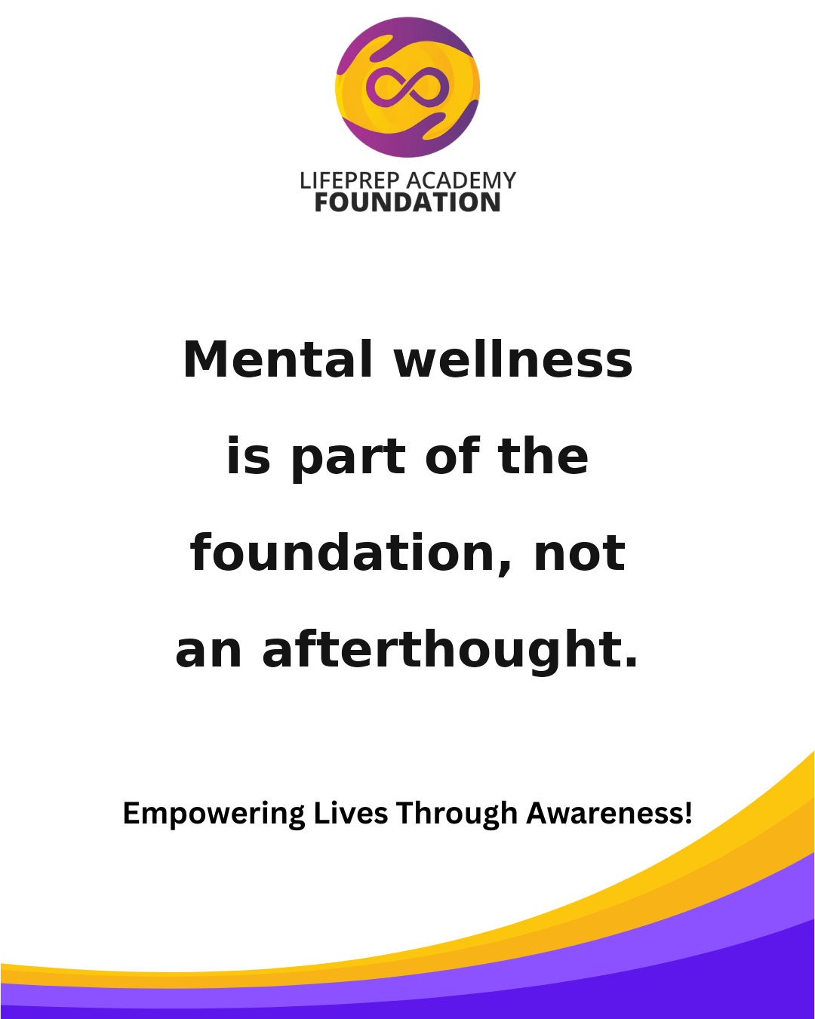 | Suggested Time: Facebook + Instagram — 7:00 PM Support systems create stronger outcomes. Save this post and follow LPAF for more encouragement. #LPAF #Mentorship #EmpowerYouth #LifeSkills #PurposeDriven #InspireGrowth
August 2026
Sunday | Monday |  | Tuesday | Wednesday |  | Thursday | Friday |  | Saturday
 |  |  |  |  |  |  |  |  | 2026-08-01

2026-08-02 | 2026-08-03 |  | 2026-08-04 | 2026-08-05 |  | 2026-08-06 | 2026-08-07 |  | 2026-08-08
 | 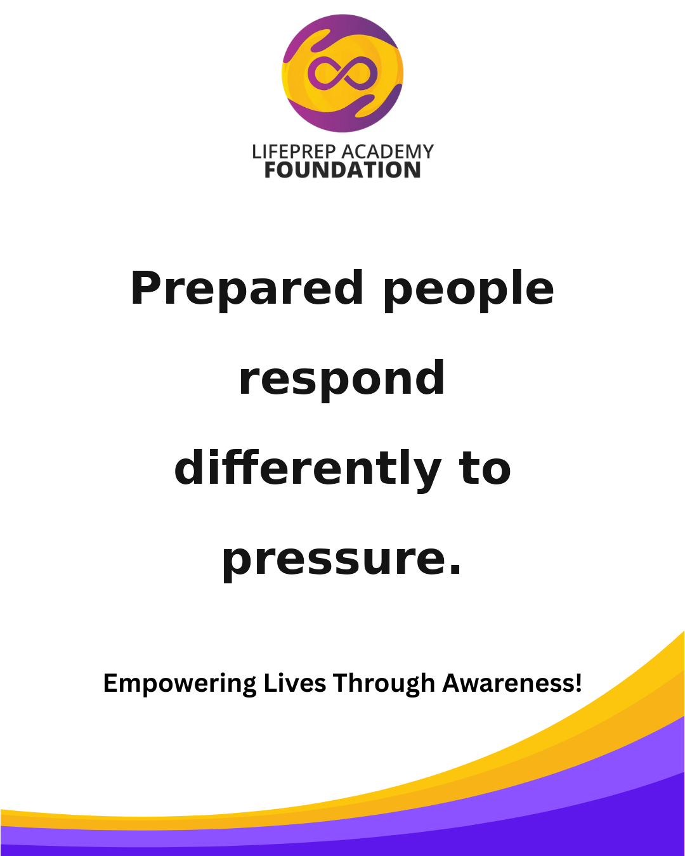 | Suggested Time: Facebook + Instagram — 7:30 PM Purpose gives discipline meaning. Tag someone who needs this reminder today. #LPAF #Awareness #YouthLeadership #Education #GrowthMindset #BuildTheFuture |  | 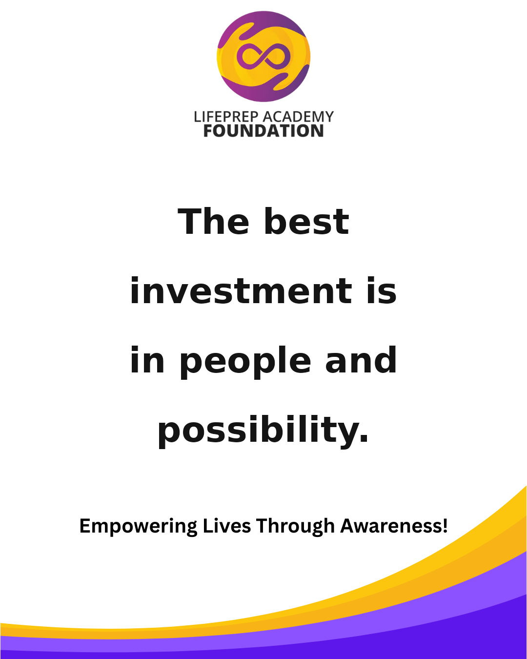 | Suggested Time: Facebook + Instagram — 6:30 PM Mental wellness is part of the foundation, not an afterthought. Share this with someone building their future. #LPAF #YouthEmpowerment #Leadership #CommunityImpact #MentalWellness #FutureReady |  | 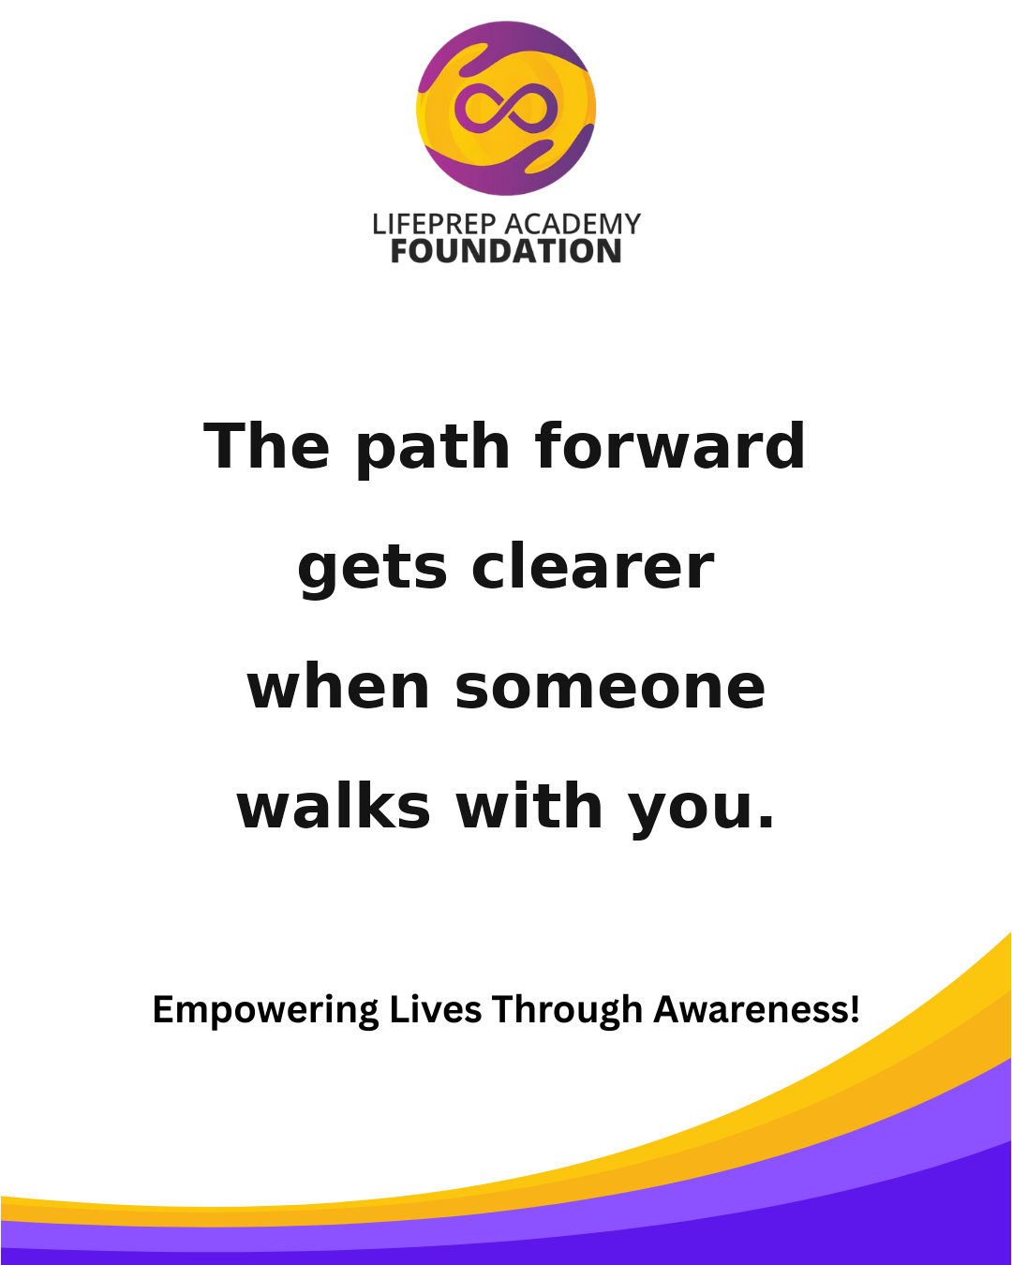 | Suggested Time: Facebook + Instagram — 7:00 PM Prepared people respond differently to pressure. Save this post and follow LPAF for more encouragement. #LPAF #Mentorship #EmpowerYouth #LifeSkills #PurposeDriven #InspireGrowth
2026-08-09 | 2026-08-10 |  | 2026-08-11 | 2026-08-12 |  | 2026-08-13 | 2026-08-14 |  | 2026-08-15
 | 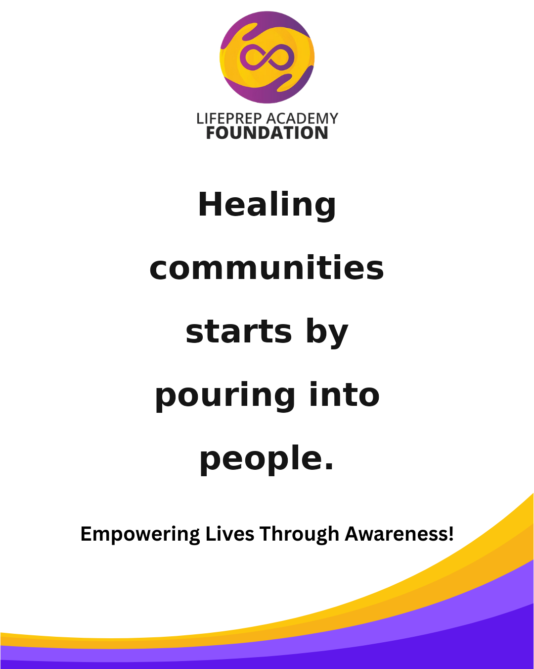 | Suggested Time: Facebook + Instagram — 7:30 PM The best investment is in people and possibility. Tag someone who needs this reminder today. #LPAF #Awareness #YouthLeadership #Education #GrowthMindset #BuildTheFuture |  |  | Suggested Time: Facebook + Instagram — 6:30 PM The path forward gets clearer when someone walks with you. Share this with someone building their future. #LPAF #YouthEmpowerment #Leadership #CommunityImpact #MentalWellness #FutureReady |  |  | Suggested Time: Facebook + Instagram — 7:00 PM Healing communities starts by pouring into people. Save this post and follow LPAF for more encouragement. #LPAF #Mentorship #EmpowerYouth #LifeSkills #PurposeDriven #InspireGrowth
2026-08-16 | 2026-08-17 |  | 2026-08-18 | 2026-08-19 |  | 2026-08-20 | 2026-08-21 |  | 2026-08-22
 | 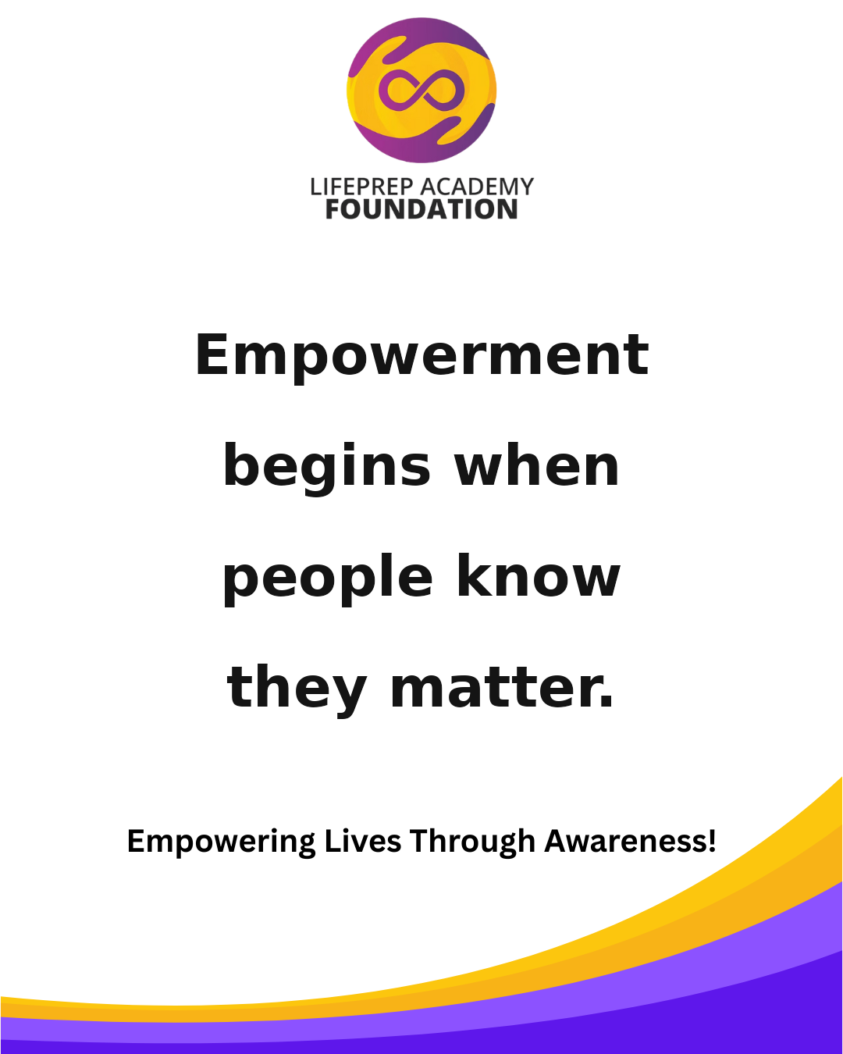 | Suggested Time: Facebook + Instagram — 7:30 PM Every setback can teach strength. Tag someone who needs this reminder today. #LPAF #Awareness #YouthLeadership #Education #GrowthMindset #BuildTheFuture |  |  | Suggested Time: Facebook + Instagram — 6:30 PM It takes vision to see potential and commitment to build it. Share this with someone building their future. #LPAF #YouthEmpowerment #Leadership #CommunityImpact #MentalWellness #FutureReady |  | 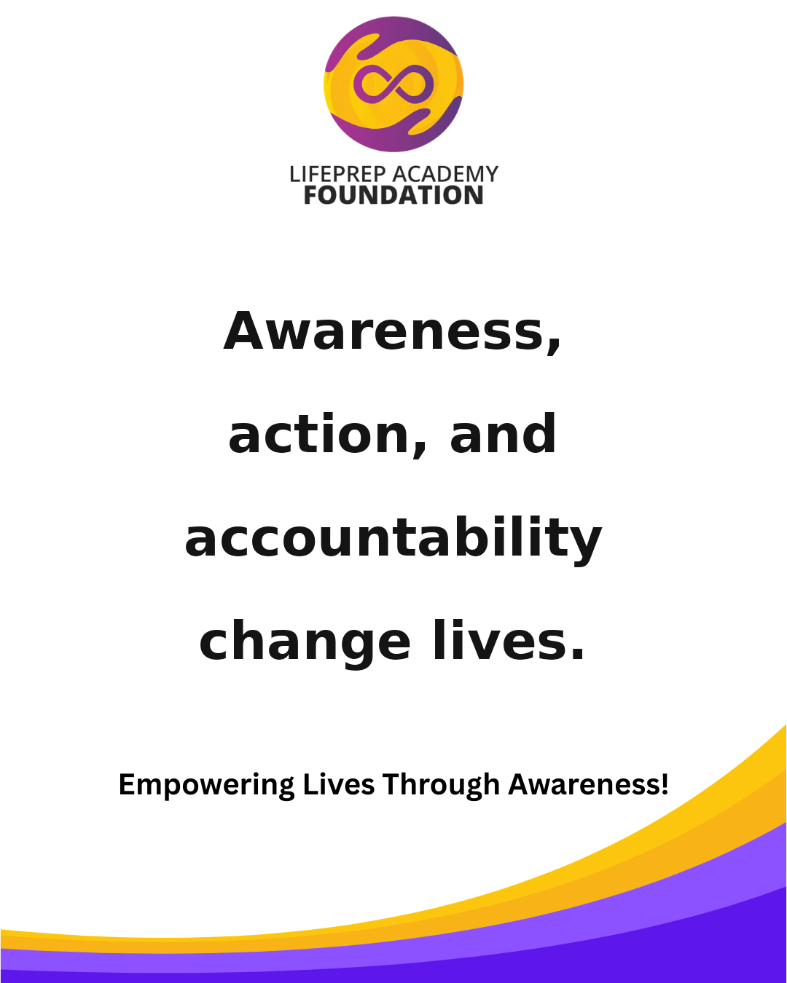 | Suggested Time: Facebook + Instagram — 7:00 PM Empowerment begins when people know they matter. Save this post and follow LPAF for more encouragement. #LPAF #Mentorship #EmpowerYouth #LifeSkills #PurposeDriven #InspireGrowth
2026-08-23 | 2026-08-24 |  | 2026-08-25 | 2026-08-26 |  | 2026-08-27 | 2026-08-28 |  | 2026-08-29
 | 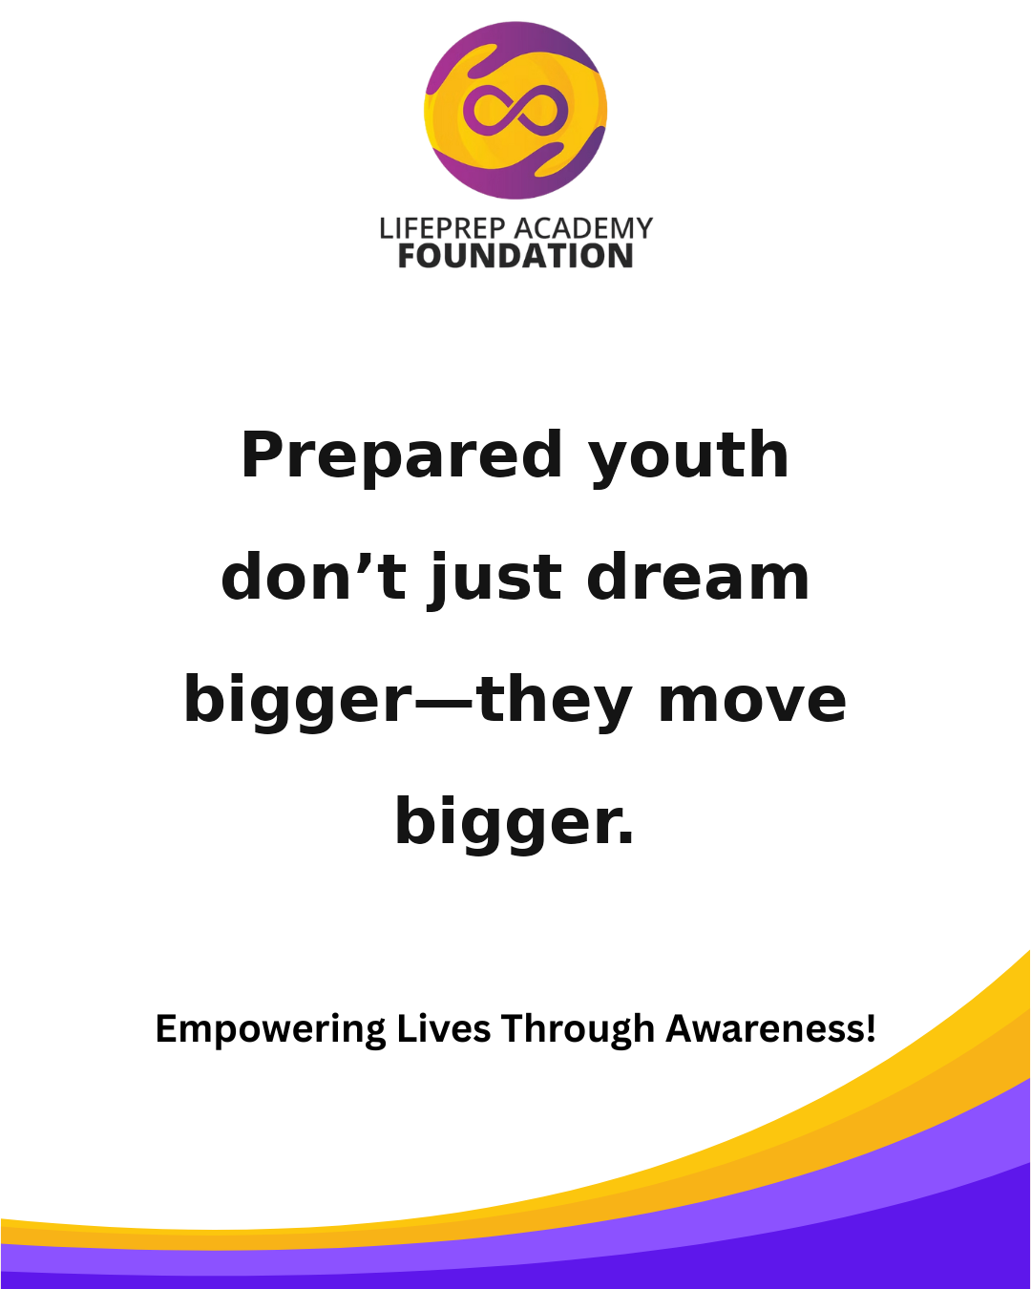 | Suggested Time: Facebook + Instagram — 7:30 PM Athletics can build character, but mentorship shapes direction. Tag someone who needs this reminder today. #LPAF #Awareness #YouthLeadership #Education #GrowthMindset #BuildTheFuture |  | 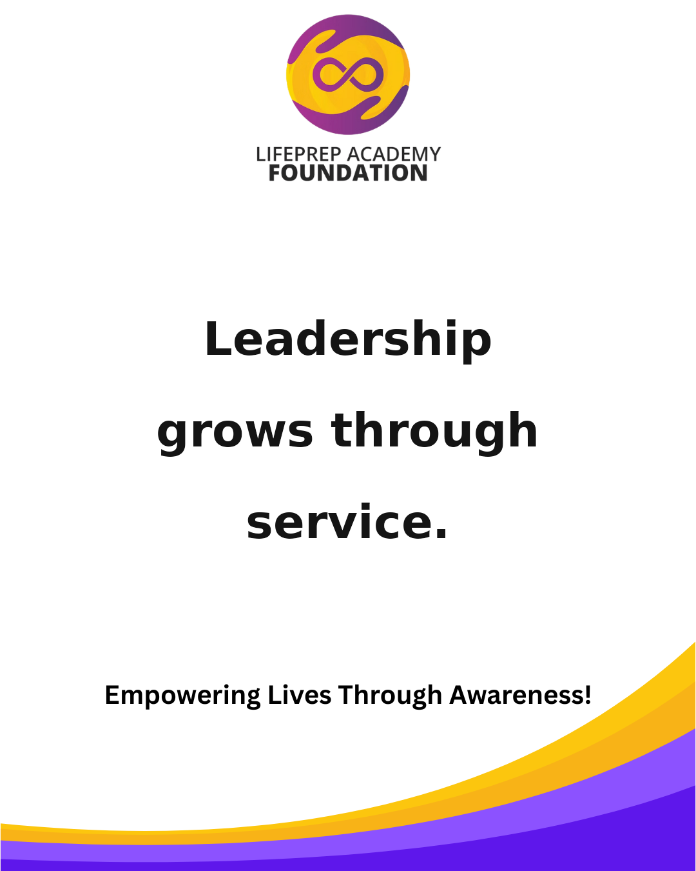 | Suggested Time: Facebook + Instagram — 6:30 PM Awareness, action, and accountability change lives. Share this with someone building their future. #LPAF #YouthEmpowerment #Leadership #CommunityImpact #MentalWellness #FutureReady |  | 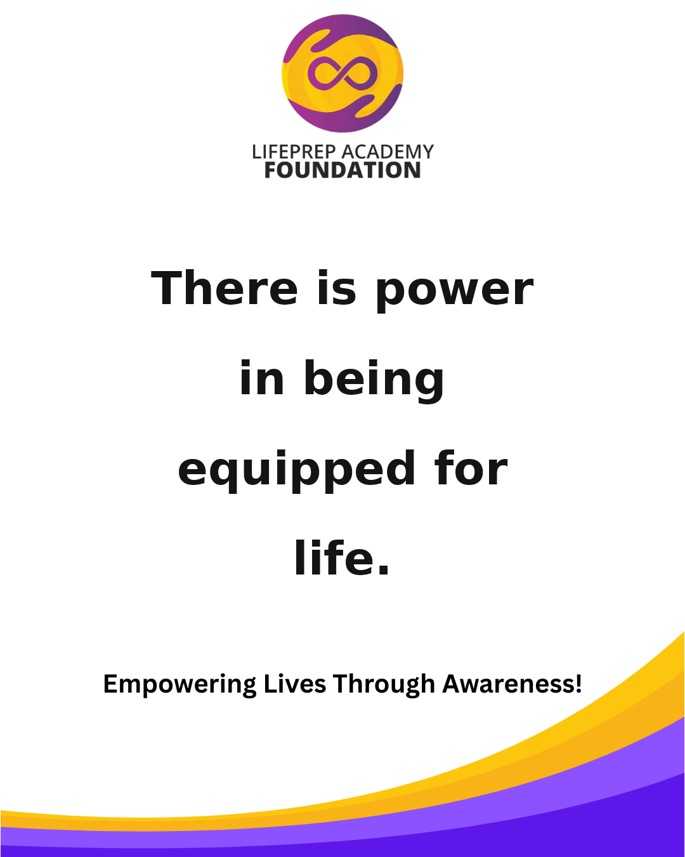 | Suggested Time: Facebook + Instagram — 7:00 PM Prepared youth don’t just dream bigger—they move bigger. Save this post and follow LPAF for more encouragement. #LPAF #Mentorship #EmpowerYouth #LifeSkills #PurposeDriven #InspireGrowth
2026-08-30 | 2026-08-31
 | 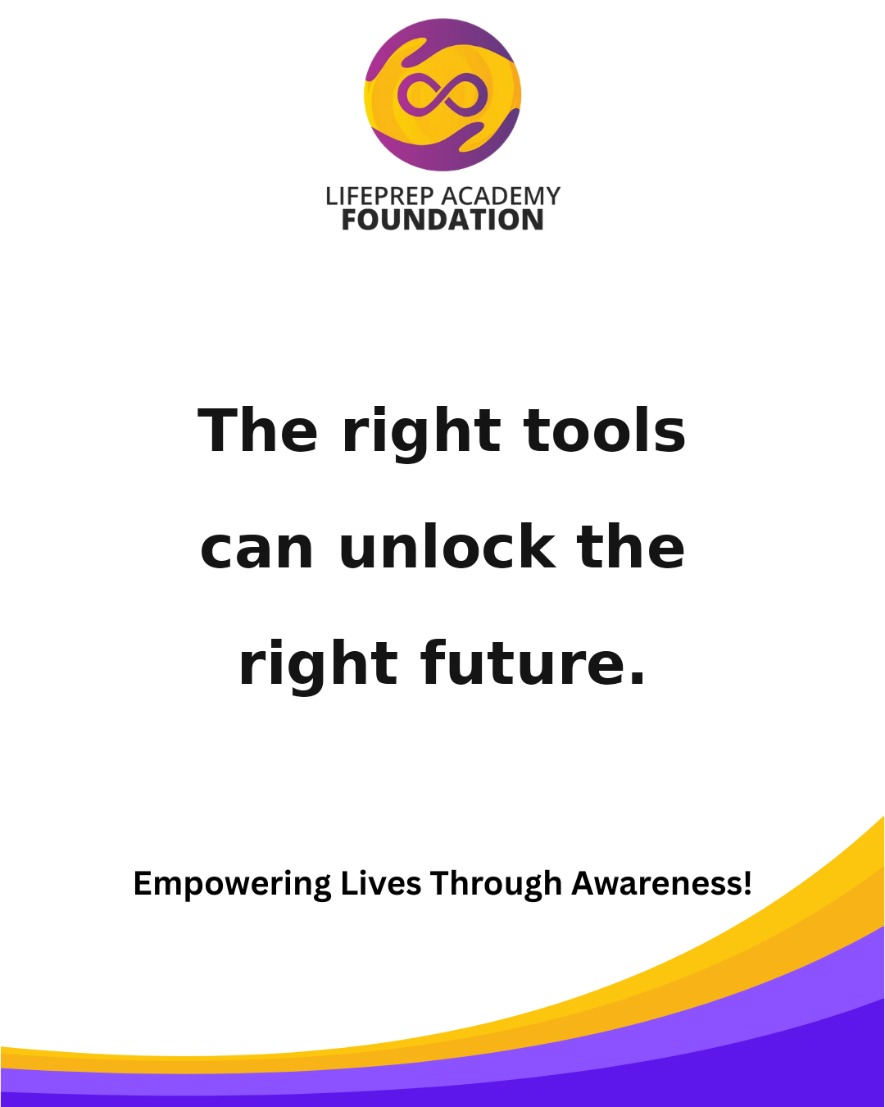 | Suggested Time: Facebook + Instagram — 7:30 PM Leadership grows through service. Tag someone who needs this reminder today. #LPAF #Awareness #YouthLeadership #Education #GrowthMindset #BuildTheFuture
September 2026
Sunday | Monday |  | Tuesday | Wednesday |  | Thursday | Friday |  | Saturday
 |  |  | 2026-09-01 | 2026-09-02 |  | 2026-09-03 | 2026-09-04 |  | 2026-09-05
 |  |  |  | 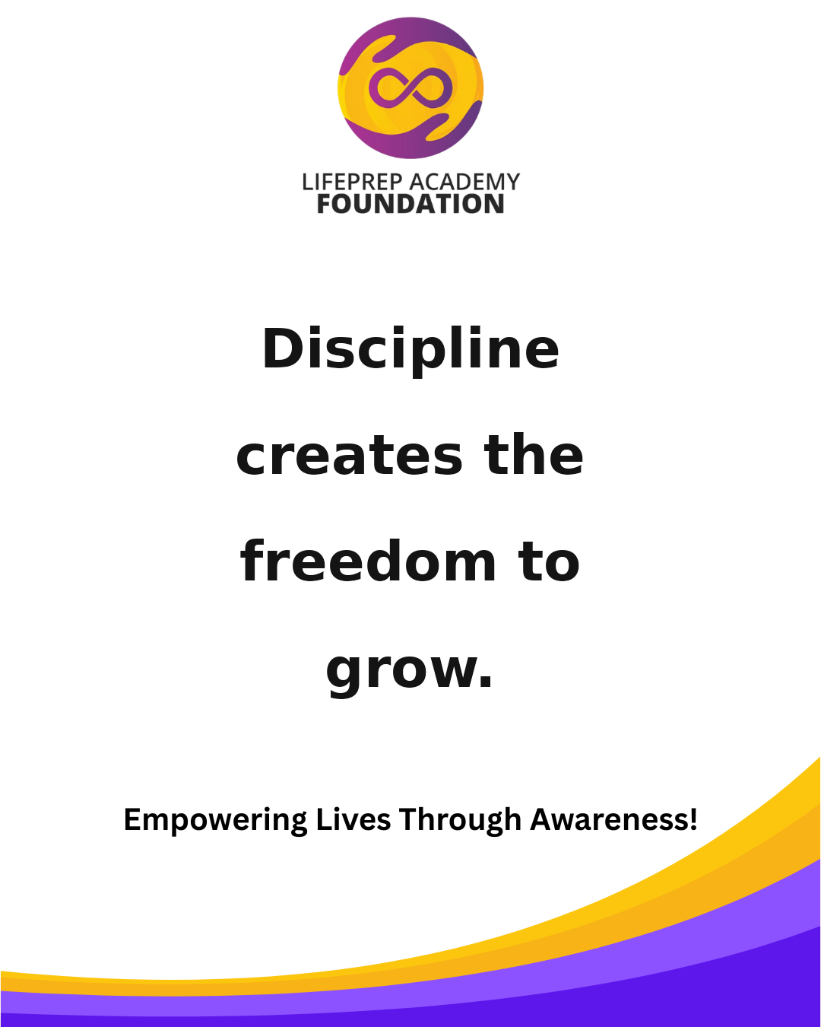 | Suggested Time: Facebook + Instagram — 6:30 PM There is power in being equipped for life. Share this with someone building their future. #LPAF #YouthEmpowerment #Leadership #CommunityImpact #MentalWellness #FutureReady |  |  | Suggested Time: Facebook + Instagram — 7:00 PM The right tools can unlock the right future. Save this post and follow LPAF for more encouragement. #LPAF #Mentorship #EmpowerYouth #LifeSkills #PurposeDriven #InspireGrowth
2026-09-06 | 2026-09-07 |  | 2026-09-08 | 2026-09-09 |  | 2026-09-10 | 2026-09-11 |  | 2026-09-12
 | 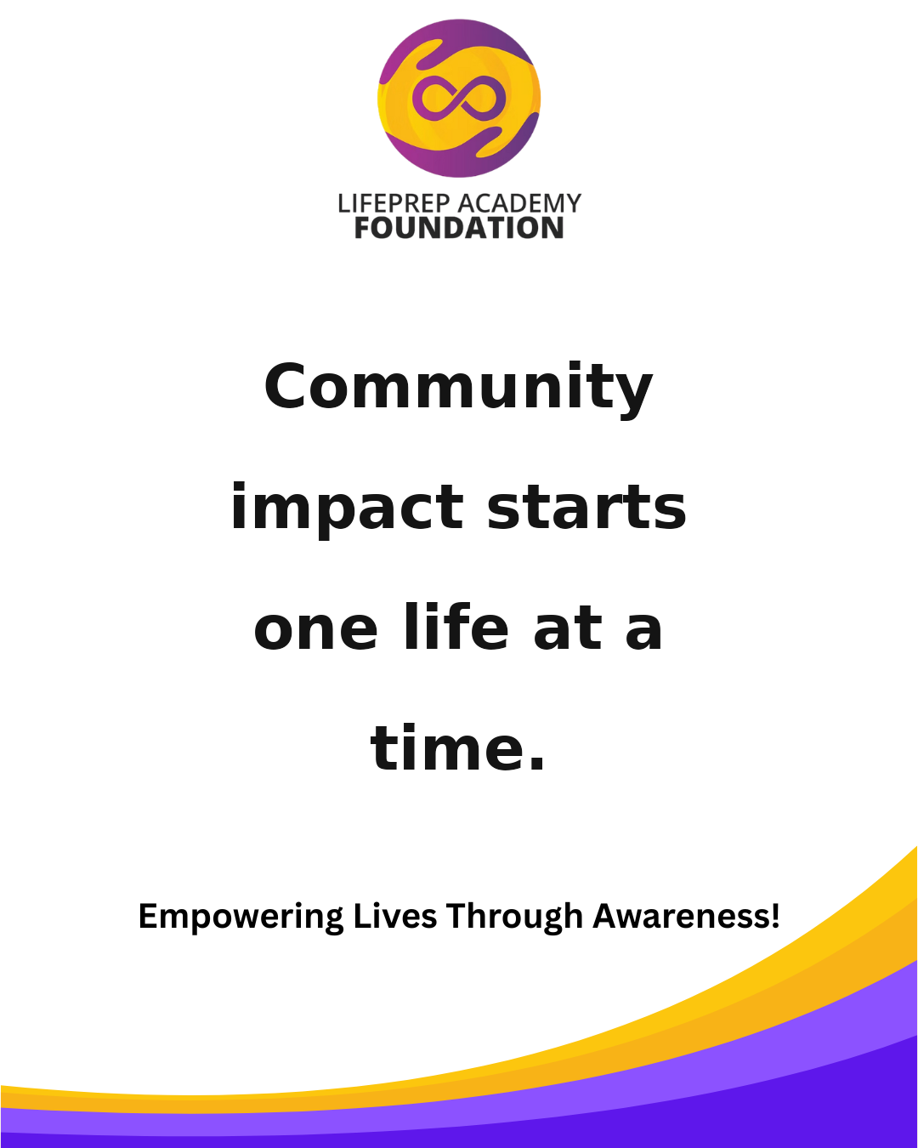 | Suggested Time: Facebook + Instagram — 7:30 PM Discipline creates the freedom to grow. Tag someone who needs this reminder today. #LPAF #Awareness #YouthLeadership #Education #GrowthMindset #BuildTheFuture |  |  | Suggested Time: Facebook + Instagram — 6:30 PM You do not have to choose between strength and healing. Share this with someone building their future. #LPAF #YouthEmpowerment #Leadership #CommunityImpact #MentalWellness #FutureReady |  | 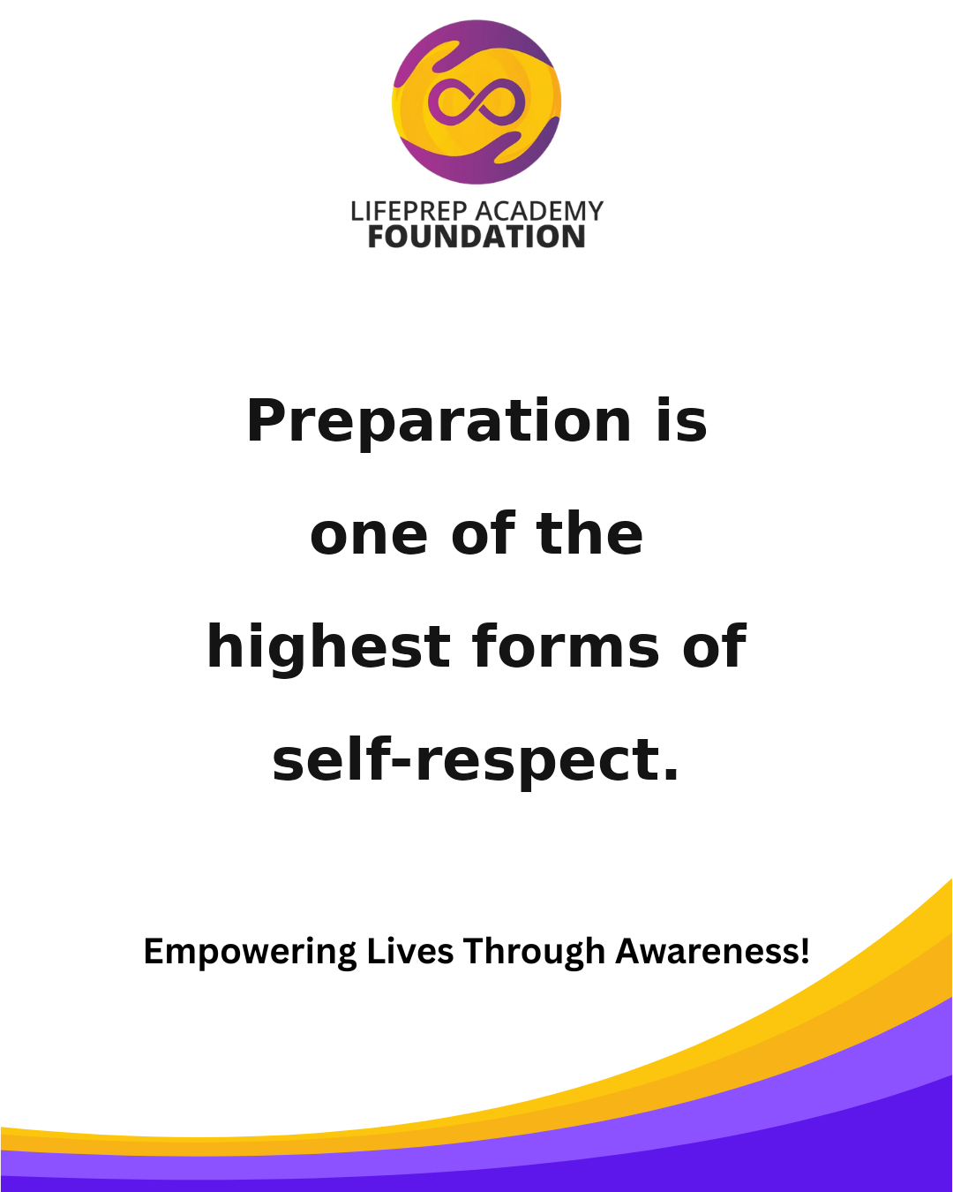 | Suggested Time: Facebook + Instagram — 7:00 PM Community impact starts one life at a time. Save this post and follow LPAF for more encouragement. #LPAF #Mentorship #EmpowerYouth #LifeSkills #PurposeDriven #InspireGrowth
2026-09-13 | 2026-09-14 |  | 2026-09-15 | 2026-09-16 |  | 2026-09-17 | 2026-09-18 |  | 2026-09-19
 | 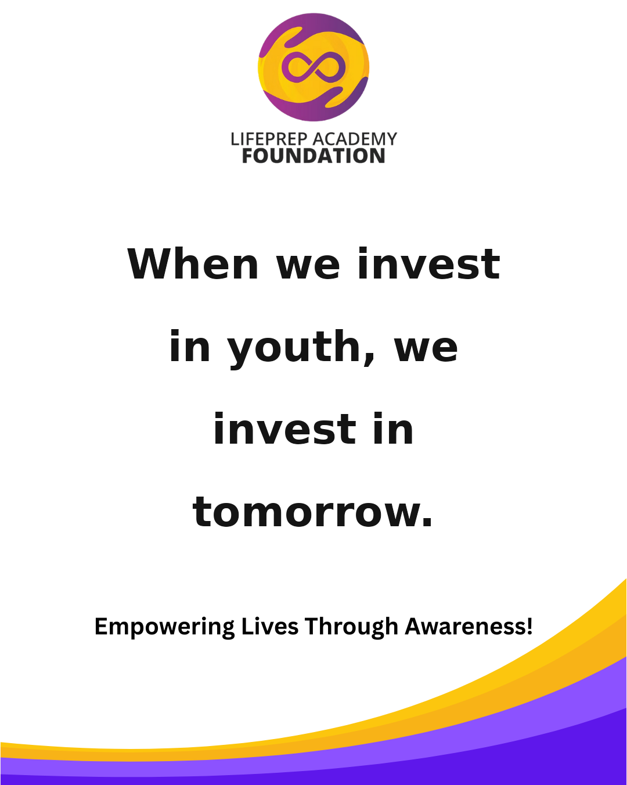 | Suggested Time: Facebook + Instagram — 7:30 PM A healthy mind can carry a powerful vision. Tag someone who needs this reminder today. #LPAF #Awareness #YouthLeadership #Education #GrowthMindset #BuildTheFuture |  | 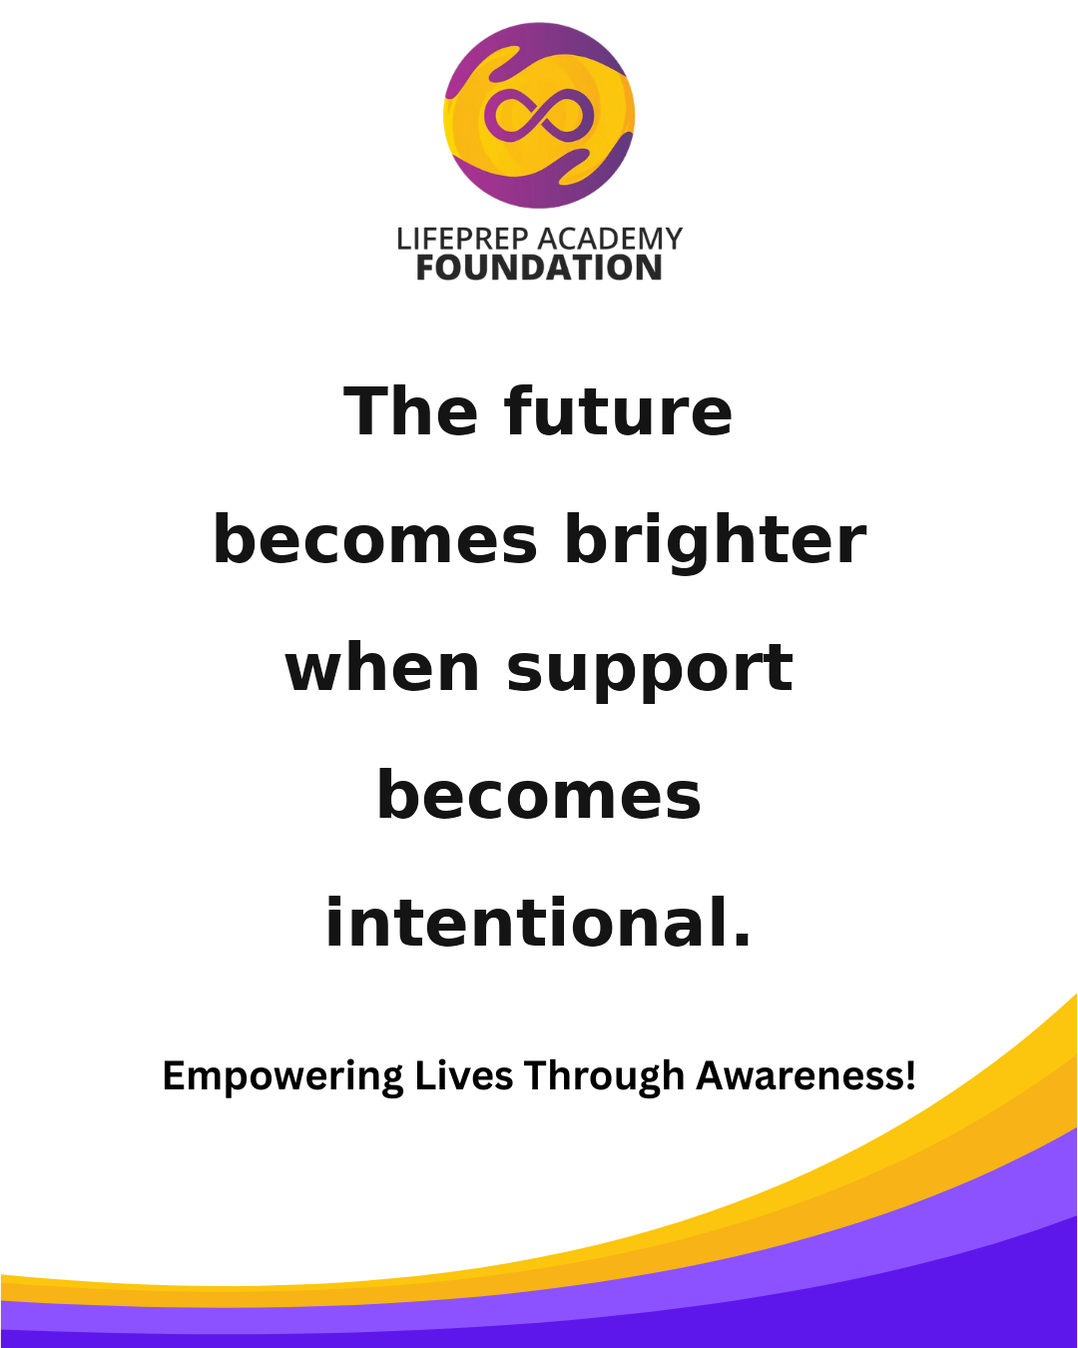 | Suggested Time: Facebook + Instagram — 6:30 PM Preparation is one of the highest forms of self-respect. Share this with someone building their future. #LPAF #YouthEmpowerment #Leadership #CommunityImpact #MentalWellness #FutureReady |  | 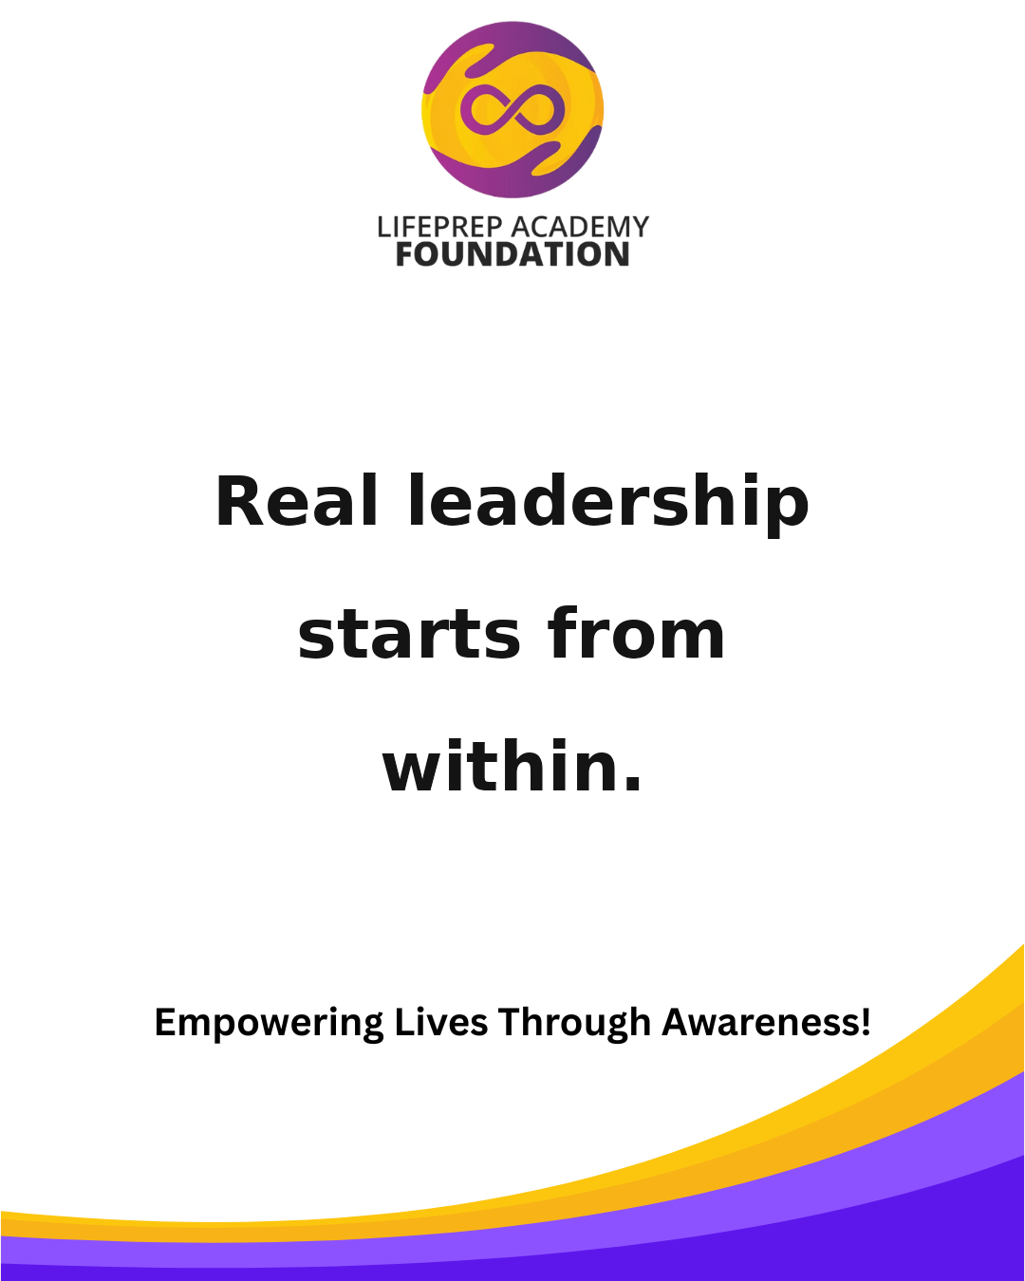 | Suggested Time: Facebook + Instagram — 7:00 PM When we invest in youth, we invest in tomorrow. Save this post and follow LPAF for more encouragement. #LPAF #Mentorship #EmpowerYouth #LifeSkills #PurposeDriven #InspireGrowth
2026-09-20 | 2026-09-21 |  | 2026-09-22 | 2026-09-23 |  | 2026-09-24 | 2026-09-25 |  | 2026-09-26
 |  | Suggested Time: Facebook + Instagram — 7:30 PM The future becomes brighter when support becomes intentional. Tag someone who needs this reminder today. #LPAF #Awareness #YouthLeadership #Education #GrowthMindset #BuildTheFuture |  |  | Suggested Time: Facebook + Instagram — 6:30 PM Real leadership starts from within. Share this with someone building their future. #LPAF #YouthEmpowerment #Leadership #CommunityImpact #MentalWellness #FutureReady |  | 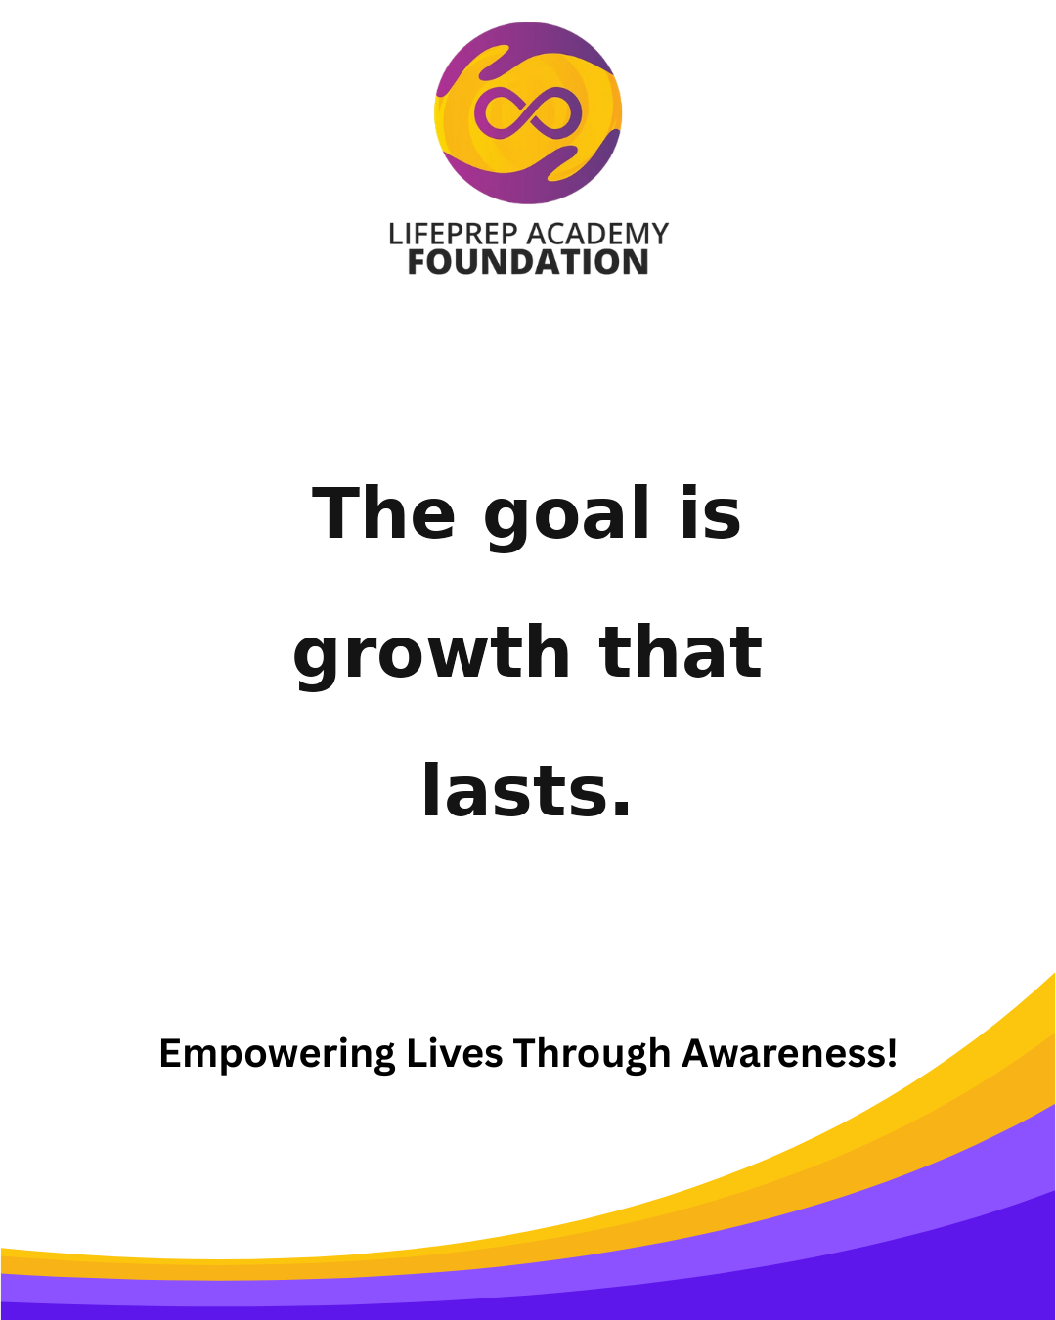 | Suggested Time: Facebook + Instagram — 7:00 PM Every voice deserves value. Save this post and follow LPAF for more encouragement. #LPAF #Mentorship #EmpowerYouth #LifeSkills #PurposeDriven #InspireGrowth
2026-09-27 | 2026-09-28 |  | 2026-09-29 | 2026-09-30
 |  | Suggested Time: Facebook + Instagram — 7:30 PM Your environment matters, but your preparation matters too. Tag someone who needs this reminder today. #LPAF #Awareness #YouthLeadership #Education #GrowthMindset #BuildTheFuture |  |  | Suggested Time: Facebook + Instagram — 6:30 PM The goal is growth that lasts. Share this with someone building their future. #LPAF #YouthEmpowerment #Leadership #CommunityImpact #MentalWellness #FutureReady
October 2026
Sunday | Monday |  | Tuesday | Wednesday |  | Thursday | Friday |  | Saturday
 |  |  |  |  |  | 2026-10-01 | 2026-10-02 |  | 2026-10-03
 |  |  |  |  |  |  |  | Suggested Time: Facebook + Instagram — 7:00 PM Empowered minds create empowered movements. Save this post and follow LPAF for more encouragement. #LPAF #Mentorship #EmpowerYouth #LifeSkills #PurposeDriven #InspireGrowth
2026-10-04 | 2026-10-05 |  | 2026-10-06 | 2026-10-07 |  | 2026-10-08 | 2026-10-09 |  | 2026-10-10
 |  | Suggested Time: Facebook + Instagram — 7:30 PM Support can be the difference between surviving and thriving. Tag someone who needs this reminder today. #LPAF #Awareness #YouthLeadership #Education #GrowthMindset #BuildTheFuture |  |  | Suggested Time: Facebook + Instagram — 6:30 PM Teaching life skills is teaching long-term freedom. Share this with someone building their future. #LPAF #YouthEmpowerment #Leadership #CommunityImpact #MentalWellness #FutureReady |  |  | Suggested Time: Facebook + Instagram — 7:00 PM Strong character is built in daily choices. Save this post and follow LPAF for more encouragement. #LPAF #Mentorship #EmpowerYouth #LifeSkills #PurposeDriven #InspireGrowth
2026-10-11 | 2026-10-12 |  | 2026-10-13 | 2026-10-14 |  | 2026-10-15 | 2026-10-16 |  | 2026-10-17
 |  | Suggested Time: Facebook + Instagram — 7:30 PM Progress begins with the courage to start. Tag someone who needs this reminder today. #LPAF #Awareness #YouthLeadership #Education #GrowthMindset #BuildTheFuture |  |  | Suggested Time: Facebook + Instagram — 6:30 PM The foundation of change is awareness. Share this with someone building their future. #LPAF #YouthEmpowerment #Leadership #CommunityImpact #MentalWellness #FutureReady |  |  | Suggested Time: Facebook + Instagram — 7:00 PM Future leaders need present support. Save this post and follow LPAF for more encouragement. #LPAF #Mentorship #EmpowerYouth #LifeSkills #PurposeDriven #InspireGrowth
2026-10-18 | 2026-10-19 |  | 2026-10-20 | 2026-10-21 |  | 2026-10-22 | 2026-10-23 |  | 2026-10-24
 |  | Suggested Time: Facebook + Instagram — 7:30 PM When people are equipped, communities are elevated. Tag someone who needs this reminder today. #LPAF #Awareness #YouthLeadership #Education #GrowthMindset #BuildTheFuture |  |  | Suggested Time: Facebook + Instagram — 6:30 PM Confidence comes from preparation, not perfection. Share this with someone building their future. #LPAF #YouthEmpowerment #Leadership #CommunityImpact #MentalWellness #FutureReady |  |  | Suggested Time: Facebook + Instagram — 7:00 PM Every breakthrough starts with belief. Save this post and follow LPAF for more encouragement. #LPAF #Mentorship #EmpowerYouth #LifeSkills #PurposeDriven #InspireGrowth
2026-10-25 | 2026-10-26 |  | 2026-10-27 | 2026-10-28 |  | 2026-10-29 | 2026-10-30 |  | 2026-10-31
 |  | Suggested Time: Facebook + Instagram — 7:30 PM Healing is strength in motion. Tag someone who needs this reminder today. #LPAF #Awareness #YouthLeadership #Education #GrowthMindset #BuildTheFuture |  |  | Suggested Time: Facebook + Instagram — 6:30 PM Young people rise when the standard and support rise together. Share this with someone building their future. #LPAF #YouthEmpowerment #Leadership #CommunityImpact #MentalWellness #FutureReady |  |  | Suggested Time: Facebook + Instagram — 7:00 PM Preparation is not punishment—it is power. Save this post and follow LPAF for more encouragement. #LPAF #Mentorship #EmpowerYouth #LifeSkills #PurposeDriven #InspireGrowth
November 2026
Sunday | Monday |  | Tuesday | Wednesday |  | Thursday | Friday |  | Saturday
2026-11-01 | 2026-11-02 |  | 2026-11-03 | 2026-11-04 |  | 2026-11-05 | 2026-11-06 |  | 2026-11-07
 |  | Suggested Time: Facebook + Instagram — 7:30 PM Potential deserves development. Tag someone who needs this reminder today. #LPAF #Awareness #YouthLeadership #Education #GrowthMindset #BuildTheFuture |  |  | Suggested Time: Facebook + Instagram — 6:30 PM A leader is built long before the spotlight arrives. Share this with someone building their future. #LPAF #YouthEmpowerment #Leadership #CommunityImpact #MentalWellness #FutureReady |  |  | Suggested Time: Facebook + Instagram — 7:00 PM Changing lives starts with showing up consistently. Save this post and follow LPAF for more encouragement. #LPAF #Mentorship #EmpowerYouth #LifeSkills #PurposeDriven #InspireGrowth
2026-11-08 | 2026-11-09 |  | 2026-11-10 | 2026-11-11 |  | 2026-11-12 | 2026-11-13 |  | 2026-11-14
 |  | Suggested Time: Facebook + Instagram — 7:30 PM Mental health conversations save futures. Tag someone who needs this reminder today. #LPAF #Awareness #YouthLeadership #Education #GrowthMindset #BuildTheFuture |  |  | Suggested Time: Facebook + Instagram — 6:30 PM What we pour into today will show up tomorrow. Share this with someone building their future. #LPAF #YouthEmpowerment #Leadership #CommunityImpact #MentalWellness #FutureReady |  |  | Suggested Time: Facebook + Instagram — 7:00 PM Prepared minds make purposeful moves. Save this post and follow LPAF for more encouragement. #LPAF #Mentorship #EmpowerYouth #LifeSkills #PurposeDriven #InspireGrowth
2026-11-15 | 2026-11-16 |  | 2026-11-17 | 2026-11-18 |  | 2026-11-19 | 2026-11-20 |  | 2026-11-21
 |  | Suggested Time: Facebook + Instagram — 7:30 PM When youth are empowered, communities are transformed. Tag someone who needs this reminder today. #LPAF #Awareness #YouthLeadership #Education #GrowthMindset #BuildTheFuture |  |  | Suggested Time: Facebook + Instagram — 6:30 PM There is no community growth without personal growth. Share this with someone building their future. #LPAF #YouthEmpowerment #Leadership #CommunityImpact #MentalWellness #FutureReady |  |  | Suggested Time: Facebook + Instagram — 7:00 PM Strength is asking for help and using it well. Save this post and follow LPAF for more encouragement. #LPAF #Mentorship #EmpowerYouth #LifeSkills #PurposeDriven #InspireGrowth
2026-11-22 | 2026-11-23 |  | 2026-11-24 | 2026-11-25 |  | 2026-11-26 | 2026-11-27 |  | 2026-11-28
 |  | Suggested Time: Facebook + Instagram — 7:30 PM Discipline, mentorship, and vision can change a life. Tag someone who needs this reminder today. #LPAF #Awareness #YouthLeadership #Education #GrowthMindset #BuildTheFuture |  |  | Suggested Time: Facebook + Instagram — 6:30 PM The mission is bigger than motivation—it is preparation. Share this with someone building their future. #LPAF #YouthEmpowerment #Leadership #CommunityImpact #MentalWellness #FutureReady |  |  | Suggested Time: Facebook + Instagram — 7:00 PM Support today can become leadership tomorrow. Save this post and follow LPAF for more encouragement. #LPAF #Mentorship #EmpowerYouth #LifeSkills #PurposeDriven #InspireGrowth
2026-11-29 | 2026-11-30
 |  | Suggested Time: Facebook + Instagram — 7:30 PM A strong future is built with strong foundations. Tag someone who needs this reminder today. #LPAF #Awareness #YouthLeadership #Education #GrowthMindset #BuildTheFuture
December 2026
Sunday | Monday |  | Tuesday | Wednesday |  | Thursday | Friday |  | Saturday
 |  |  | 2026-12-01 | 2026-12-02 |  | 2026-12-03 | 2026-12-04 |  | 2026-12-05
 |  |  |  |  | Suggested Time: Facebook + Instagram — 6:30 PM Empowerment is the beginning. Impact is the result. Share this with someone building their future. #LPAF #YouthEmpowerment #Leadership #CommunityImpact #MentalWellness #FutureReady
2026-12-06 | 2026-12-07 |  | 2026-12-08 | 2026-12-09 |  | 2026-12-10 | 2026-12-11 |  | 2026-12-12

2026-12-13 | 2026-12-14 |  | 2026-12-15 | 2026-12-16 |  | 2026-12-17 | 2026-12-18 |  | 2026-12-19

2026-12-20 | 2026-12-21 |  | 2026-12-22 | 2026-12-23 |  | 2026-12-24 | 2026-12-25 |  | 2026-12-26

2026-12-27 | 2026-12-28 |  | 2026-12-29 | 2026-12-30 |  | 2026-12-31

